ReadMeFirst

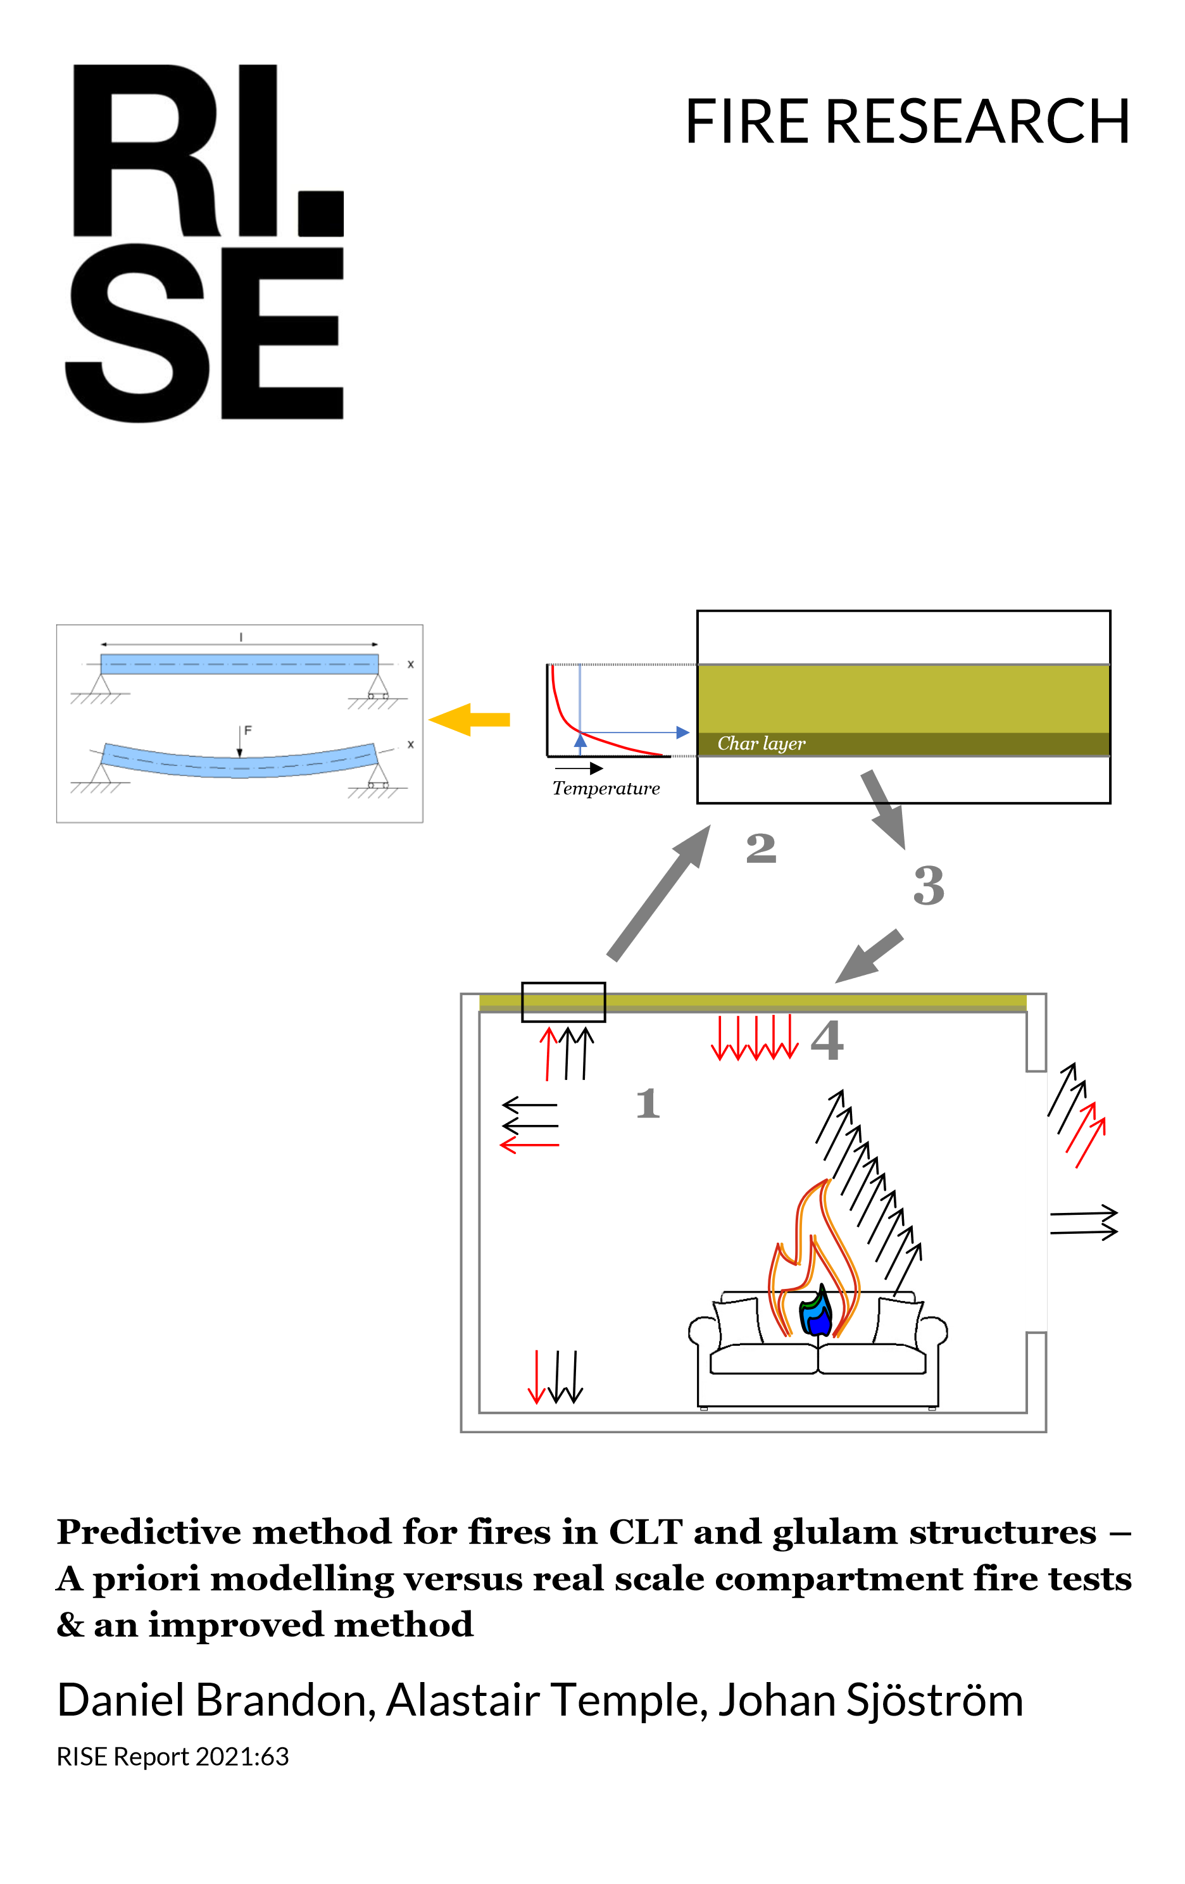
Auteur | FC
Source

Sheets:
Recap |  | List of wordwhile experiments with (or without) exposed timber. Line 5: List of variable read by python to initialize compartments and write zone models (Cfast or Brisk) to be calcuated with the method
Char Depth Graph |  | Values and graphs, for each experiment of mesured char and calculated char with the method (automaticaly writed by the python program)
Char mesurement |  | Values of char mesurement in experiments from literature
Char analyse |  | Analyse of differences between char mesurements and calculations
Gyps Protected |  | Biblio on gyps protection

Path of python program (PC Charm Community project): |  |  |  |  | Espace partagé thèse FC (C:\Users\Francois.CONSIGNY\CSTBGroup\DSSF_Projet_These_Francois_Consigny - Documents) |  |  | 2024-09-10 | \Calculs Feu\Programmes\python\Contribution_old\\Contribution_Brisk1
 |  |  |  |  |  |  |  | 2024-10-18 | \Calculs Feu\Programmes\python\Contribution_old\\Contribution_Brisk2
 |  |  | /!\ Warning if you run the python program verify the path used for program & models files according to your machine in the file Environnementxxxx.py: var BriskPath CurPath |  |  |  |  | 2024-11-08 | \Calculs Feu\Programmes\python\Contribution_old\\Contribution_Brisk3
 |  |  |  |  |  |  |  |  | \Calculs Feu\Programmes\python\Contribution_old\\Contribution_Brisk4

Versions | Date | Descriptions |  |  |  |  |  |  | Path program
"atest" | 2024-09-10 | First Try of run with original (LG) method implemented with Brisk |  |  |  |  | Base des tests de la méthode et échanges Canada. Correction HRR Fuel suivant email L.Girompaire du 21/05/24 |  | \Calculs Feu\Programmes\python\Contribution_Brisk1\old\main.py -> \Calculs Feu\Programmes\python\Contribution_Brisk4\project\main_Contrib_brisk1.py
 | 2024-10-16 | Implementation of floor contribution and flag wood totaly consumed
 | 2024-10-17 | Add sheet Char Analyse and Variable HrrPUA in sheet Recap (column W)
241028 Recap Experiment_these | 2024-10-28 | Add sheet ReadMe First; Modif with Gyps fall-off Time |  |  |  |  |  |  | \Calculs Feu\Programmes\python\Contribution_Brisk2\old\main5.py -> \Calculs Feu\Programmes\python\Contribution_Brisk4\project\main_Contrib_brisk2.py
 |  | Modif of wood contribution law with material or recap (variables wd, cd, fd) density in place of default value (500kg/m3); Add sheet ReadMe First; Modif with Gyps fall-off Time
 |  | Modif with adding Gyps fall-off Time
 |  | Modif Excel with stat on Char analyse + comments on models prediction fails /succes
241108 Recap Experiment_these | 2024-11-08 | Modif of wood contribution law from Brisk Flux instead of Gas temperature (original method from LG/CD) |  |  |  |  |  |  | \Calculs Feu\Programmes\python\Contribution_Brisk3\old\main6.py -> \Calculs Feu\Programmes\python\Contribution_Brisk4\project\main_Contrib_brisk3.py
 |  | Modif of files name & directories in Pycharm project Contrib_brisk4 version: |  |  |  |  |  |  | \Calculs Feu\Programmes\python\Contribution_Brisk4\project\main_Contrib_brisk4.py
 |  |  | with x=4 pycharm project in Contrib_briskx directory main program = main_Contrib_briskx.py and called files Environmentx.py Briskcalx.py and Files_utilsx.py
 |  |  | same names for all projects in \Calculs Feu\Programmes\python\Contribution_Briskx
 |  |  | each directory \Contribution_Briskx organised with:
 |  |  |  | \Models : Models generated and calculated with main_Contrib_briskx.py
 |  |  |  | \projects : python files (main_Contrib_briskx.py…) & Pycharm project
 |  |  |  | \old : old version of python files (mainy.py….) and models generated
 |  | Modif of wood contribution law: from MLR / charring rate instead of external flux / charring rate (original method from LG/CD) see file \calculs Feu\241110_predictive_Timber_charing_Qcstb versus Qtemp_Qflux.xlsx
various | 2025 | programm optimization & improvments |  |  |  |  |  |  | \Calculs Feu\Programmes\python\Contribution_Bois_Brisk_fin\Project\main_Contrib_Brisk.py
 |  | (WCTE & Interflam versions)
260102 Recap Experiment_these.xlsx | 2026-02-01 | Final version |  |  |  |  |  |  | \Calculs Feu\Programmes\python\Contribution_Bois_Brisk\main_Contrib_Brisk.py
 |  | adding Sheets :
 |  |  | Char Comparaison x |  |  | Graphs for papers and thesis manuscript
 |  |  | Gyps protection |  |  | Values, for each experiment of protection caracteristics and results of fall-off time and required thickness calculated with the method (automaticaly writed by the python program)
 |  |  | Flux results |  |  | Values, for each experiment of measured outside Flux and those calculated with the method (automaticaly writed by the python program)
 |  |  | Heat of combustion |  |  | Hc of fire from eperiment reports
 |  | Integration of protected wood contribution, and exterior flux calculation

Char Depth Graph
Experiment Code | Wall mean | Wall min | Wall max | Model Wall mean | Model Wall min | Model Wall max | Ceiling mean | Ceiling min | Ceiling max | Model Ceiling mean | Model Ceiling min | Model Ceiling max | Beam mean | Beam min | Beam max | Model Beam mean | Model Beam min | Model Beam max | Column mean | Column min | Column max | Model Column mean | Model Column min | Model Column max | Experiment Auto Extinction | Model Auto Extinction | Calculation Fail | Calculation Time | Results write by | Results write by | Fire Brigade@ | Fire [MW] | Status | Ingberg Initial | Ingberg Final | Ceiling protected time | Upper Wall protected time | Lower Wall protected time | Experiment status | Char comparison info | Char exclusion | Choix Couleur | Out of scope |  | LEGEND
McGregor_1 | 26 | 6 | 60 | 39 | 35 | 43 | 34 | 12 | 55 | 26 | 26 | 26 | - | - | - | - | - | - | - | - | - | - | - | - | N | final charring rate > 0.2 [mm/min] | convergence latest iteration: char difference -0.08 <0 | 68 |  | main_Contrib_Brisk.py |  |  | NO | 84 | 111 |  |  |  | OSc + OSd |  |  | 242;242;242 | x | 74;184;106 | OS: | Letters OS mean that the experiment associated is out of the scope of the calculation method
McGregor_2 | - | - | - |  |  |  | - | - | - |  |  |  | - | - | - |  |  |  | - | - | - |  |  |  | Y |  |  |  |  |  |  |  |  |  |  |  |  |  | OSv | OSv | E |  |  | 225;101;97 | OSd: | Delamination of exposed wood during experiment
McGregor_3 | 30 | 23 | 40 | 44 | 39 | 47 | 20 | 15 | 40 | 36 | 36 | 36 | - | - | - | - | - | - | - | - | - | - | - | - | Y | iteration > 20 | EC1-2 A.3(5) qt,d 32.0 < 50 [MJ/m²] not change | 851 |  | main_Contrib_Brisk.py |  |  | NO | 39 | 63 |  |  |  |  |  |  | 229;229;229 |  | 23;26;132 | OSc: | Contribution (char) of protectected wood during experiment
McGregor_4 | - | - | - | 4 | 4 | 4 | - | - | - | 3 | 3 | 3 | - | - | - | - | - | - | - | - | - | - | - | - | Y | final charring rate > 0.2 [mm/min] |  | 35 |  | main_Contrib_Brisk.py |  |  | NO | 55 | 62 |  |  |  |  |  |  | 216;216;216 |  | 170;220;162 | OSo: | Opening factor "out of scope"
McGregor_5 | 62 | 40 | 70 | 99 | 93 | 100 | 67 | 40 | 80 | 69 | 69 | 69 | - | - | - | - | - | - | - | - | - | - | - | - | N | final charring rate > 0.2 [mm/min] |  | 167 |  | main_Contrib_Brisk.py |  |  | NO | 53 | 90 |  |  |  | OSd |  |  | 178;178;178 | x | 126;76;157 | OSv | Void experiments: No charing in experiment with all wood protected
Medina_1 | 75 | 71 | 80 | 106 | 106 | 111 | 37 | 33 | 41 | 39 | 39 | 39 | - | - | - | - | - | - | - | - | - | - | - | - | N | wood consumed | convergence latest iteration: char difference -2.0 <0 | 305 |  | main_Contrib_Brisk.py |  |  | NO | 52 | 139 |  |  |  | OSc + OSd |  |  | 153;153;153 | x | 35;171;220 | OSlf | Timber Ligth Frame structure for wall
Medina_2 | 56 | 54 | 60 | 95 | 90 | 95 | 12 | 11 | 12 | 5 | 5 | 5 | - | - | - | - | - | - | - | - | - | - | - | - | N | final charring rate > 0.2 [mm/min] |  | 187 |  | main_Contrib_Brisk.py |  |  | NO | 53 | 84 |  |  |  | OSc + OSd |  |  | 127;127;127 | x | 89;36;30 | NA: | No Autoextinction : Set if it as been verified that there where No self extinguishment in calculation
Medina_3 | 33 | 21 | 44 | 105 | 104 | 108 | - | - | - | 16 | 16 | 16 | - | - | - | - | - | - | - | - | - | - | - | - | Y | wood consumed | convergence latest iteration: char difference -0.69 <0 | 180 |  | main_Contrib_Brisk.py |  |  | NO | 54 | 106 |  |  |  |  |  |  | 76;76;76 | x | 163;164;25 | E: | Experiments excluded from the graphics in char comparison sheet
NRCC&NIST_1 | - | - | - | - | - | - | - | - | - | - | - | - | - | - | - | - | - | - | - | - | - | - | - | - | Y | VRAI |  | 84 |  | main_Contrib_Brisk.py |  |  | NO | 75 | 75 |  |  |  | OSv | OSv | E |  |  | 102;226;62
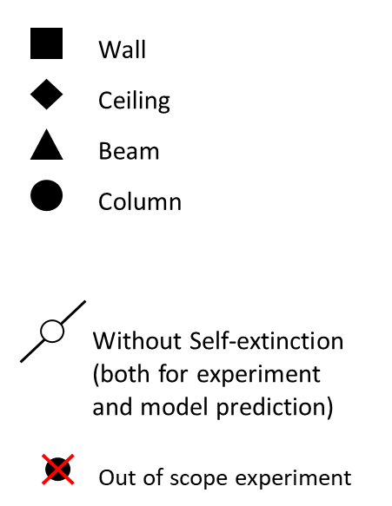
NRCC&NIST_2 | - | - | - | - | - | - | - | 0 | 10 | - | - | - | - | - | - | - | - | - | - | - | - | - | - | - | Y | VRAI |  | 51 |  | main_Contrib_Brisk.py |  |  | NO | 50 | 50 |  |  |  |  |  | E | 242;169;169 |  | 221;34;227
NRCC&NIST_3 | 28 | 20 | 35 | 40 | 37 | 48 | - | - | - | - | - | - | - | - | - | - | - | - | - | - | - | - | - | - | Y | VRAI |  | 461 |  | main_Contrib_Brisk.py |  |  | NO | 51 | 62 |  |  |  | OSd |  |  | 216;108;108 | x | 160;31;28
NRCC&NIST_4 | - | - | - | 1 | 1 | 1 | 79 | 68 | 90 | 81 | 81 | 81 | - | - | - | - | - | - | - | - | - | - | - | - | N | VRAI |  | 1046 |  | main_Contrib_Brisk.py |  |  | NO | 75 | 113 |  |  |  | OSd | OSd | E | 178;53;53 | x | 85;137;207 | E
NRCC&NIST_5 | 131 | 102 | 141 | 88 | 84 | 97 | 61 | 25 | 79 | - | - | - | - | - | - | - | - | - | - | - | - | - | - | - | N | VRAI |  | 508 |  | main_Contrib_Brisk.py |  |  | NO | 76 | 95 |  |  |  | OSc + OSd | OSd | E | 153;30;30 | x | 223;221;229 | E
NRCC&NIST_6 | 123 | 88 | 143 | 176 | 176 | 187 | 128 | 13 | 154 | 150 | 150 | 150 | - | - | - | - | - | - | - | - | - | - | - | - | N | wood consumed |  | 832 |  | main_Contrib_Brisk.py |  |  | NO | 75 | 184 |  |  |  | OSc |  |  | 127;19;19 |  | 210;162;225
NRCC_Room_1 | - | - | - | - | - | - | - | - | - | - | - | - | - | - | - | - | - | - | - | - | - | - | - | - | Y | VRAI |  | 78 |  | main_Contrib_Brisk.py |  |  | NO | 54 | 54 |  |  |  | OSv | OSv | E |  |  | 224;218;30
NRCC_Room_2 | 68 | 50 | 95 | 177 | 172 | 187 | 53 | 45 | 63 | 175 | 175 | 175 | - | - | - | - | - | - | - | - | - | - | - | - | Y | wood consumed | convergence latest iteration: char difference -1.1 <0 | 736 |  | main_Contrib_Brisk.py |  |  | NO | 57 | 300 |  |  |  | OSc |  |  | 242;205;169 | x | 23;170;86
NRCC_Room_3 | 47 | - | 83 | 175 | 147 | 180 | 33 | - | 66 | 163 | 163 | 163 | 122 | 104 | 161 | 164 | 164 | 164 | 108 | 92 | 163 | 229 | 224 | 230 | N | wood consumed | convergence latest iteration: char difference -1.25 <0 | 1067 |  | main_Contrib_Brisk.py |  |  | NO | 57 | 299 |  |  |  | OSc |  |  | 216;162;108 | x | 149;90;84
NRCC_Room_4 | 26 | - | 45 | 256 | 113 | 257 | 54 | 47 | 66 | 175 | 175 | 175 | 78 | 69 | 82 | 164 | 164 | 164 | 75 | 63 | 94 | 231 | 227 | 231 | Y | wood consumed |  | 533 |  | main_Contrib_Brisk.py |  |  | NO | 56 | 228 |  |  |  | OSc |  |  | 178;116;53 |  | 101;228;135
NRCC_Room_5 | 89 | 81 | 109 | 180 | 175 | 216 | 78 | 70 | 90 | 176 | 176 | 176 | - | - | - | - | - | - | - | - | - | - | - | - | N | wood consumed | convergence latest iteration: char difference -1.35 <0 | 812 |  | main_Contrib_Brisk.py |  |  | NO | 56 | 281 |  |  |  | OSc |  |  | 127;73;19 | x | 168;31;174
NRCC_Elevator_1 | 5 | 0 | 25 | 8 | 7 | 11 | 70 | 35 | 80 | 40 | 40 | 40 | - | - | - | - | - | - | - | - | - | - | - | - | N | final charring rate > 0.2 [mm/min] |  | 241 |  | main_Contrib_Brisk.py |  |  | NO | 66 | 92 |  |  |  | OSc |  |  | 76;38;0 | x | 36;154;27
NRCC_Encaps_LWF1 | - | - | - |  |  |  | - | - | - |  |  |  | - | - | - |  |  |  | - | - | - |  |  |  | ' |  |  |  |  |  |  |  |  |  |  |  |  |  |  |  | E |  |  | 26;81;176
NRCC_Encaps_CLT | - | - | - |  |  |  | - | - | - |  |  |  | - | - | - |  |  |  | - | - | - |  |  |  | ' |  |  |  |  |  |  |  |  |  |  |  |  |  |  |  | E |  |  | 72;128;77
NRCC_Encaps_LSF | - | - | - |  |  |  | - | - | - |  |  |  | - | - | - |  |  |  | - | - | - |  |  |  | ' |  |  |  |  |  |  |  |  |  |  |  |  |  |  |  | E |  |  | 112;182;234
NRCC_Encaps_LWF2 | - | - | - |  |  |  | - | - | - |  |  |  | - | - | - |  |  |  | - | - | - |  |  |  | ' |  |  |  |  |  |  |  |  |  |  |  |  |  |  |  | E |  |  | 224;146;46
Edimb_1 | 39 | 29 | 53 | 31 | 30 | 35 | - | - | - | 1 | 1 | 1 | - | - | - | - | - | - | - | - | - | - | - | - | N | iteration > 20 | EC1-2 A.3(5) qt,d 17.0 < 50 [MJ/m²] not change | 1334 |  | main_Contrib_Brisk.py |  |  | NO | 26 | 42 |  |  |  |  |  |  | 242;236;169 |  | 225;39;153
Edimb_2 | 36 | 27 | 53 | 31 | 30 | 35 | - | - | - | 1 | 1 | 1 | - | - | - | - | - | - | - | - | - | - | - | - | N | iteration > 20 | EC1-2 A.3(5) qt,d 17.0 < 50 [MJ/m²] not change | 1592 |  | main_Contrib_Brisk.py |  |  | NO | 26 | 42 |  |  |  | OSd |  |  | 216;207;108 |  | 27;27;41
Edimb_3 | 11 | 8 | 15 | 17 | 16 | 19 | 10 | 8 | 13 | 14 | 14 | 14 | - | - | - | - | - | - | - | - | - | - | - | - | Y | VRAI | EC1-2 A.3(5) qt,d 17.0 < 50 [MJ/m²] not change | 277 |  | main_Contrib_Brisk.py |  |  | NO | 21 | 26 |  |  |  |  |  |  | 178;168;53 |  | 158;231;28
Edimb_4 | 30 | 23 | 44 | 21 | 20 | 23 | 27 | 21 | 40 | 17 | 17 | 17 | - | - | - | - | - | - | - | - | - | - | - | - | Y | VRAI | EC1-2 A.3(5) qt,d 17.0 < 50 [MJ/m²] not change | 379 |  | main_Contrib_Brisk.py |  |  | NO | 26 | 30 |  |  |  | OSd | Osd | E | 153;142;30 |  | 30;219;161 | E
Edimb_5 | 40 | 30 | 58 | 100 | 100 | 101 | 36 | 27 | 53 | 92 | 92 | 92 | - | - | - | - | - | - | - | - | - | - | - | - | N | wood consumed | EC1-2 A.3(5) qt,d 17.0 < 50 [MJ/m²] not change | 1912 |  | main_Contrib_Brisk.py |  |  | NO | 19 | 109 |  |  |  |  |  |  | 127;118;19 |  | 134;106;228
Emb_1 | 15 | 11 | 20 | 29 | 21 | 33 | 15 | 11 | 20 | 25 | 25 | 25 | - | - | - | - | - | - | - | - | - | - | - | - | Y | VRAI | EC1-2 A.3(5) qt,d 17.0 < 50 [MJ/m²] not change | 734 |  | main_Contrib_Brisk.py |  |  | NO | 13 | 34 |  |  |  |  |  |  | 76;70;0 |  | 141;144;79
USDA_1 | - | - | - |  |  |  | - | - | - |  |  |  | - | - | - |  |  |  | - | - | - |  |  |  | Y |  |  |  |  |  |  |  |  |  |  |  |  |  | Osv | Osv | E |  |  | 87;42;97
USDA_2 | - | - | - | - | - | - | 23 | 23 | 23 | 27 | 27 | 27 | - | - | - | - | - | - | - | - | - | - | - | - | Y | VRAI | EC1-2 A.3(5) O, opening factor 0.10<=O<=0.20 set to 0.1 see EC5-1-2 A.4.4.1(5) | 245 |  | main_Contrib_Brisk.py |  |  | NO | 46 | 47 |  |  |  |  |  |  | 205;242;169 |  | 230;52;25
USDA_3 | 33 | 23 | 50 | 33 | 24 | 41 | - | - | - | - | - | - | - | - | - | - | - | - | - | - | - | - | - | - | Y | VRAI | EC1-2 A.3(5) O, opening factor 0.10<=O<=0.20 set to 0.1 see EC5-1-2 A.4.4.1(5) | 467 |  | main_Contrib_Brisk.py |  |  | NO | 47 | 51 |  |  |  | OSd |  |  | 162;216;108 | x | 32;30;222
USDA_4 | 1 | - | - | - | - | - | 1 | - | - | - | - | - | - | - | - | - | - | - | - | - | - | - | - | - | Y | VRAI | EC1-2 A.3(5) O, opening factor 0.10<=O<=0.20 set to 0.1 see EC5-1-2 A.4.4.1(5) convergence latest iteration: char difference -0.02 <0 | 268 |  | main_Contrib_Brisk.py |  |  | NO | 27 | 27 |  |  |  |  |  |  | 116;178;53 |  | 79;25;173
USDA_5 | 1 | 0 | 12 | - | - | - | 1 | 0 | 10 | - | - | - | - | - | - | - | - | - | - | - | - | - | - | - | Y | VRAI | EC1-2 A.3(5) O, opening factor 0.10<=O<=0.20 set to 0.1 see EC5-1-2 A.4.4.1(5) | 135 |  | main_Contrib_Brisk.py |  |  | NO | 0 | 0 |  |  |  |  |  |  | 73;127;19 |  | 225;221;100
Epernon_1 | - | - | - | - | - | - | 50 | 50 | 50 | 63 | 63 | 63 | - | - | - | - | - | - | - | - | - | - | - | - | Y | VRAI | EC1-2 A.3(5) O, opening factor 0.10<=O<=0.20 set to 0.1 see EC5-1-2 A.4.4.1(5) | 361 |  | main_Contrib_Brisk.py |  |  | NO | 64 | 71 |  |  |  | OSd |  |  | 169;242;193 | x | 227;225;166
Epernon_2 | - | - | - | - | - | - | 83 | 83 | 83 | 92 | 92 | 92 | - | - | - | - | - | - | - | - | - | - | - | - | Y | VRAI |  | 429 |  | main_Contrib_Brisk.py |  |  | NO | 92 | 100 |  |  |  | OSd |  |  | 108;216;144 | x | 27;86;93
Epernon_3 | - | - | - | - | - | - | 78 | 78 | 78 | 112 | 112 | 112 | - | - | - | - | - | - | - | - | - | - | - | - | N | final charring rate > 0.2 [mm/min] |  | 654 |  | main_Contrib_Brisk.py |  |  | NO | 106 | 126 |  |  |  | OSd |  |  | 19;127;55 | x | 199;100;226
NRCC_LS_1 | 25 | 25 | 25 | 26 | 26 | 27 | 25 | 25 | 25 | 25 | 25 | 25 | - | - | - | - | - | - | - | - | - | - | - | - | Y | wood consumed | convergence latest iteration: char difference -0.58 <0 | 575 |  | main_Contrib_Brisk.py |  |  | NO | 45 | 60 |  |  |  |  |  |  | 169;242;242 |  | 169;204;95
NRCC_LS_2 | - | - | - | 2 | 2 | 2 | 40 | 28 | 48 | 51 | 51 | 51 | 64 | 25 | 90 | 80 | 80 | 80 | 61 | 35 | 95 | 68 | 60 | 81 | Y | VRAI |  | 883 |  | main_Contrib_Brisk.py |  |  | NO | 45 | 72 |  |  |  | Osd |  |  | 108;216;216 | x | 77;106;135
NRCC_LS_3 | 1 | 0 | 5 | 4 | - | 6 | 1 | 0 | 2 | 5 | 5 | 5 | - | - | - | - | - | - | - | - | - | - | - | - | Y | VRAI | EC1-2 A.3(5) qt,d 3.0 < 50 [MJ/m²] not change | 559 |  | main_Contrib_Brisk.py |  |  | NO | 4 | 7 |  |  |  |  |  |  | 53;178;178 |  | 174;120;139
NRCC_LS_4 | - | - | - | - | - | - | 70 | 53 | 89 | 72 | 72 | 72 | 47 | 26 | 68 | 110 | 110 | 110 | 64 | 22 | 135 | 87 | 61 | 111 | N | final charring rate > 0.2 [mm/min] | EC1-2 A.3(5) O, opening factor 0.10<=O<=0.20 set to 0.1 see EC5-1-2 A.4.4.1(5) EC1-2 A.3(5) qt,d 49.0 < 50 [MJ/m²] not change | 1289 |  | main_Contrib_Brisk.py |  |  | NO | 26 | 98 |  |  |  |  |  |  | 19;127;127 |  | 33;231;227
RISE_1 | - | - | - | 2 | 1 | 2 | 35 | 25 | 45 | 47 | 47 | 47 | 32 | 0 | 65 | 59 | 59 | 59 | - | - | - | - | - | - | Y | VRAI |  | 635 |  | main_Contrib_Brisk.py |  |  | NO | 50 | 68 |  |  |  |  |  |  | 169;193;242 |  | 221;31;88
RISE_2 | 61 | 36 | 86 | 88 | 82 | 95 | 43 | 33 | 57 | 63 | 63 | 63 | 56 | 20 | 80 | 79 | 79 | 79 | - | - | - | - | - | - | Y | VRAI |  | 1029 |  | main_Contrib_Brisk.py |  |  | NO | 49 | 87 |  |  |  |  |  |  | 108;144;216 |  | 38;224;28
RISE_3 | 70 | 35 | 104 | 101 | 96 | 107 | 47 | 40 | 58 | 71 | 71 | 71 | 56 | 25 | 80 | 88 | 88 | 88 | 56 | 25 | 80 | 94 | 89 | 100 | N | VRAI |  | 992 |  | main_Contrib_Brisk.py |  |  | NO | 49 | 97 |  |  |  | OSCorner |  |  | 53;95;178 |  | 114;162;141
RISE_4 | 48 | 28 | 104 | 29 | 21 | 38 | 28 | 13 | 45 | 28 | 28 | 28 | 37 | 17 | 53 | 37 | 37 | 37 | 37 | 17 | 53 | 29 | 21 | 38 | Y | VRAI | EC1-2 A.3(5) O>, opening factor out of range, EC5 Annex AO>0,20 (set to 0.1) see EC5-1-2 A.4.4.1(5) | 586 |  | main_Contrib_Brisk.py |  |  | NO | 36 | 46 |  |  |  | OSo | OSo | E | 19;55;127 | x | 30;151;157 | E
RISE_5 | 65 | 33 | 95 | 100 | 94 | 106 | 50 | 37 | 73 | 71 | 71 | 71 | 59 | 20 | 80 | 88 | 88 | 88 | 59 | 20 | 80 | 93 | 88 | 99 | Y | VRAI |  | 1229 |  | main_Contrib_Brisk.py |  |  | NO | 49 | 95 |  |  |  |  |  |  | 0;25;76 |  | 92;223;197
CodeRed_1 | - | - | - | - | - | - | 25 | 18 | 31 | 23 | 23 | 23 | - | - | - | - | - | - | 30 | 5 | 60 | 30 | 21 | 36 | Y | VRAI |  | 3081 |  | main_Contrib_Brisk.py |  |  | NO | 26 | 38 |  |  |  |  |  |  | 205;169;242 |  | 223;164;143
CodeRed_2 | - | - | - | - | - | - | 28 | 25 | 30 | 63 | 63 | 63 | - | - | - | - | - | - | 35 | 5 | 96 | 73 | 53 | 100 | Y | iteration > 20 |  | 2128 |  | main_Contrib_Brisk.py |  |  | NO | 27 | 89 |  |  |  |  |  |  | 162;108;216 |  | 147;168;187
FRIC_1 | - | - | - | - | - | - | 26 | 20 | 40 | 18 | 18 | 18 | - | - | - | - | - | - | - | - | - | - | - | - | Y | VRAI | EC1-2 A.3(5) O, opening factor 0.10<=O<=0.20 set to 0.1 see EC5-1-2 A.4.4.1(5) | 596 |  | main_Contrib_Brisk.py |  |  | NO | 26 | 30 |  |  |  | Osd+ OSo ? | OSd | E | 116;53;178 | x | 172;94;30 | E
FRIC_2 | 39 | 39 | 39 | 29 | 24 | 34 | 36 | 36 | 36 | 23 | 23 | 23 | - | - | - | - | - | - | - | - |  | - | - | - | N | VRAI | EC1-2 A.3(5) O, opening factor 0.10<=O<=0.20 set to 0.1 see EC5-1-2 A.4.4.1(5) | 406 |  | main_Contrib_Brisk.py |  |  | NO | 30 | 42 |  |  |  | Osd+ OSo ? | OSd | E | 73;19;127 | x | 100;106;27 | E
AdivBois_0 | - | - | - |  |  |  | - | - | - |  |  |  | - | - | - |  |  |  | - | - | - |  |  |  | ' |  |  |  |  |  |  |  |  |  |  |  |  |  | OSv | OSv | E |  |  | 35;233;100
AdivBois_1 | 84 | 75 | 98 | 122 | 110 | 136 | - | - | - | - | - | - | - | - | - | - | - | - | - | - | - | - | - | - | Y | VRAI |  | 688 |  | main_Contrib_Brisk.py |  |  | NO | 95 | 113 |  |  |  |  |  |  | 242;169;230 |  | 98;182;26
AdivBois_2 | - | - | - | - | - | - | 47 | 40 | 50 | 45 | 45 | 45 | - | - | - | - | - | - | - | - | - | - | - | - | Y | VRAI | EC1-2 A.3(5) O, opening factor 0.10<=O<=0.20 set to 0.1 see EC5-1-2 A.4.4.1(5) | 410 |  | main_Contrib_Brisk.py |  |  | NO | 56 | 69 |  |  |  |  |  |  | 216;108;198 |  | 134;31;229
AdivBois_3 | - | - | - | - | - | - | - | - | - | - | - | - | 55 | 33 | 95 | 62 | 62 | 62 | 43 | 27 | 58 | 57 | 34 | 67 | Y | VRAI | EC1-2 A.3(5) O, opening factor 0.10<=O<=0.20 set to 0.1 see EC5-1-2 A.4.4.1(5) convergence latest iteration: char difference -0.2 <0 | 600 |  | main_Contrib_Brisk.py |  |  | NO | 49 | 61 |  |  |  |  |  |  | 178;53;157 |  | 26;106;232
AdivBois_4 | - | - | - | - | - | - | 94 | 90 | 102 | 53 | 53 | 53 | - | - | - | - | - | - | - | - | - | - | - | - | Y | VRAI | EC1-2 A.3(5) O, opening factor 0.10<=O<=0.20 set to 0.1 see EC5-1-2 A.4.4.1(5) | 323 |  | main_Contrib_Brisk.py |  |  | NO | 68 | 81 |  |  |  | OSd | OSd | E | 127;19;109 | x | 153;229;230 | E
TIMPuls_0 | - | - | - | - | - | - | - | - | - | - | - | - | - | - | - | - | - | - | - | - | - | - | - | - | ' | VRAI |  | 26 |  | main_Contrib_Brisk.py |  |  | NO | 79 | 79 |  |  |  | OSv | OSv | E |  |  | 31;91;29
TIMPuls_1 | 35 | - | - | 67 | 57 | 67 | 80 | - | - | 93 | 93 | 93 | - | - | - | - | - | - | - | - | - | - | - | - | N | wood consumed |  | 874 |  | main_Contrib_Brisk.py |  |  | NO | 82 | 147 |  |  |  | OSc (+Osd?) | NA |  | 193;166;147 | x | 224;92;180
TIMPuls_2 | 75 | - | - | 96 | 91 | 103 | 30 | - | - | 7 | 7 | 7 | - | - | - | - | - | - | - | - | - | - | - | - | N | VRAI |  | 580 |  | main_Contrib_Brisk.py |  |  | NO | 81 | 96 |  |  |  | OSc (+OSd?) + partial OSlf (ceiling) | NA |  | 173;132;104 | x | 78;72;220
TIMPuls_3 | 100 | - | - | 1 | 1 | 1 | 90 | - | - | 55 | 55 | 55 | - | - | - | - | - | - | - | - | - | - | - | - | N | VRAI |  | 219 |  | main_Contrib_Brisk.py |  |  | NO | 78 | 80 |  |  |  | OSc + OSlf | OSc | E | 142;96;62 | x | 151;28;101
TIMPuls_4 | 50 | - | - | 83 | 78 | 85 | 60 | - | - | 56 | 56 | 56 | - | - | - | 89 | 89 | 89 | - | - | - | 97 | 92 | 101 | N | VRAI |  | 437 |  | main_Contrib_Brisk.py |  |  | NO | 79 | 93 |  |  |  | OSc + partial OSlf (wall) | NA |  | 102;61;32 | x | 98;10;230
SeifBois_B27_R60_25% | - | - | - | - | - | - | - | - | - | 19 | 19 | 19 | - | - | - | 28 | 28 | 28 | - | - | - | 22 | 15 | 29 | ' | VRAI | EC1-2 A.3(5) O, opening factor 0.10<=O<=0.20 set to 0.1 see EC5-1-2 A.4.4.1(5) | 576 |  | main_Contrib_Brisk.py |  |  | NO | 30 | 33 |  |  |  |  | No Exp Yet | E | 145;101;147 | x
SeifBois_B27_R120_25% | - | - | - | - | - | - | - | - | - | 19 | 19 | 19 | - | - | - | 29 | 29 | 29 | - | - | - | 23 | 16 | 30 | ' | VRAI | EC1-2 A.3(5) O, opening factor 0.10<=O<=0.20 set to 0.1 see EC5-1-2 A.4.4.1(5) | 603 |  | main_Contrib_Brisk.py |  |  | NO | 30 | 33 |  |  |  |  | No Exp Yet | E | 192;192;64 | x
SeifBois_H27_R30_25% | - | - | - | 53 | 44 | 61 | - | - | - | - | - | - | - | - | - | 67 | 67 | 67 | - | - | - | 60 | 51 | 70 | ' | VRAI | convergence latest iteration: char difference -0.04 <0 | 644 |  | main_Contrib_Brisk.py |  |  | NO | 63 | 70 |  |  |  |  | No Exp Yet | E | 239;27;237 | x
SeifBois_H27_R60_25% | - | - | - | 53 | 44 | 61 | - | - | - | - | - | - | - | - | - | 67 | 67 | 67 | - | - | - | 60 | 51 | 70 | ' | VRAI | convergence latest iteration: char difference -0.04 <0 | 346 |  | main_Contrib_Brisk.py |  |  | NO | 63 | 70 |  |  |  |  | No Exp Yet | E | 30;118;154 | x
SeifBois_H27_R90_25% | - | - | - | 53 | 44 | 61 | - | - | - | - | - | - | - | - | - | 67 | 67 | 67 | - | - | - | 60 | 51 | 70 | ' | VRAI | convergence latest iteration: char difference -0.04 <0 | 643 |  | main_Contrib_Brisk.py |  |  | NO | 63 | 70 |  |  |  |  | No Exp Yet | E | 77;209;71 | x
SeifBois_E27_R60_25% | - | - | - | - | - | - | - | - | - | - | - | - | - | - | - | 42 | 42 | 42 | - | - | - | 35 | 28 | 44 | ' | VRAI |  | 538 |  | main_Contrib_Brisk.py |  |  | NO | 36 | 43 |  |  |  |  | No Exp Yet | E | 124;44;244 | x
SeifBois_E11a | - | - | - | - | - | - | - | - | - | - | - | - | 56 | 33 | 76 | 59 | 59 | 59 | 51 | 33 | 64 | 57 | 56 | 61 | ' | VRAI |  | 425 |  | main_Contrib_Brisk.py |  |  | NO | 48 | 64 |  |  |  |  |  |  | 26;106;232
SeifBois_E11b | - | - | - | - | - | - | - | - | - | - | - | - | - | - | - | 73 | 73 | 73 | - | - | - | 67 | 58 | 81 | ' | VRAI |  | 480 |  | main_Contrib_Brisk.py |  |  | NO | 50 | 71 |  |  |  |  | No Exp Yet | E | 218;226;78 | x
SeifBois_E11c | - | - | - | - | - | - | - | - | - | - | - | - | - | - | - | 52 | 52 | 52 | - | - | - | 46 | 37 | 57 | ' | VRAI |  | 514 |  | main_Contrib_Brisk.py |  |  | NO | 36 | 52 |  |  |  |  | No Exp Yet | E | 9;61;251 | x
SeifBois_H11 | - | - | - | 87 | 83 | 93 | - | - | - | - | - | - | - | - | - | 95 | 95 | 95 | - | - | - | 101 | 97 | 108 | ' | VRAI | convergence latest iteration: char difference -0.11 <0 | 332 |  | main_Contrib_Brisk.py |  |  | NO | 73 | 91 |  |  |  |  | No Exp Yet | E | 56;152;168 | x
SeifBois_B11 | - | - | - | - | - | - | - | - | - | 45 | 45 | 45 | - | - | - | 69 | 69 | 69 | - | - | - | 69 | 63 | 74 | ' | VRAI |  | 361 |  | main_Contrib_Brisk.py |  |  | NO | 48 | 73 |  |  |  |  | No Exp Yet | E | 103;243;85 | x
 |  |  |  |  |  |  |  |  |  |  |  |  |  |  |  |  |  |  |  |  |  |  |  |  |  |  | Moyenne: | 625 | [s] | 10.42 | [mn]
 |  |  |  |  |  |  |  |  |  |  |  |  |  |  |  |  |  |  |  |  |  |  |  |  |  |  | Total: | 80 | [s] | 1.33 | [mn]
 |  |  |  |  |  |  |  |  |  |  |  |  |  |  |  |  |  |  |  |  |  |  |  |  |  |  | Moyenne : | 1 | [s] | 0.02 | [mn]
Char thickness |  |  |  |  |  |  |  |  |  |  |  |  |  |  |  |  |  |  |  |  |  |  |  |  | Experiment Auto Extinction
Reference | Wall Exp. |  |  | Wall Model |  |  | Ceiling Exp. |  |  | Ceiling Model |  |  | Beam Exp. |  |  | Beam Model |  |  | Column Exp. |  |  | Column Model |  |  |  |  |  | Number of mesure |  |  |  |  |  |  | Time of GB/CLT @300°C |  |  |  | @400°C
 | Mean | Mean-Min | Max-Mean | Mean | Mean-Min | Max-Mean | Mean | Mean-Min | Max-Mean | Mean | Mean-Min | Max-Mean | Mean | Mean-Min | Max-Mean | Mean | Mean-Min | Max-Mean | Mean | Mean-Min | Max-Mean | Mean | Mean-Min | Max-Mean |  |  |  |  | Wall | Ceiling | Beam | Column | Total |  | WE | WM | CE | CM
McGregor_1 | 26 | 20 | 34 | 39 | 4 | 4 | 34 | 22 | 21 | 26 | 0 | 0 | 0 |  |  | 0 |  |  | 0 |  |  | 0 |  |  | N |  |  | McGregor_1 | 1 | 1 | 0 | 0 | 2
McGregor_3 | 30 | 8 | 10 | 44 | 5 | 3 | 20 | 5 | 20 | 36 | 0 | 0 | 0 |  |  | 0 |  |  | 0 |  |  | 0 |  |  | Y |  |  | McGregor_3 | 1 | 1 | 0 | 0 | 2
McGregor_4 | 0 |  |  | 4 | 0 | 0 | 0 |  |  | 3 | 0 | 0 | 0 |  |  | 0 |  |  | 0 |  |  | 0 |  |  | Y |  |  | McGregor_4 | 0 | 0 | 0 | 0 | 0
McGregor_5 | 62 | 22 | 8 | 99 | 6 | 1 | 67 | 27 | 13 | 69 | 0 | 0 | 0 |  |  | 0 |  |  | 0 |  |  | 0 |  |  | N |  |  | McGregor_5 | 1 | 1 | 0 | 0 | 2
Medina_1 | 75 | 4 | 6 | 106 | 0 | 5 | 37 | 4 | 4 | 39 | 0 | 0 | 0 |  |  | 0 |  |  | 0 |  |  | 0 |  |  | N |  |  | Medina_1 | 1 | 1 | 0 | 0 | 2 |  |  | 28 | 87 | 28 | 33
Medina_2 | 56 | 2 | 4 | 95 | 5 | 0 | 12 | 1 | 1 | 5 | 0 | 0 | 0 |  |  | 0 |  |  | 0 |  |  | 0 |  |  | N |  |  | Medina_2 | 1 | 1 | 0 | 0 | 2 |  |  | 27 | 45 | 27 | 32
Medina_3 | 33 | 12 | 11 | 105 | 1 | 3 | 0 |  |  | 16 | 0 | 0 | 0 |  |  | 0 |  |  | 0 |  |  | 0 |  |  | Y |  |  | Medina_3 | 1 | 0 | 0 | 0 | 1 |  |  | 27 |  | 27 | 33
NRCC&NIST_1 | 0 |  |  | 0 |  |  | 0 |  |  | 0 |  |  | 0 |  |  | 0 |  |  | 0 |  |  | 0 |  |  | Y |  |  | NRCC&NIST_1 | 0 | 0 | 0 | 0 | 0
NRCC&NIST_2 | 0 |  |  | 0 |  |  | 0 | 0 | 10 | 0 |  |  | 0 |  |  | 0 |  |  | 0 |  |  | 0 |  |  | Y |  |  | NRCC&NIST_2 | 0 | 0 | 0 | 0 | 0
NRCC&NIST_3 | 28 | 8 | 8 | 40 | 3 | 8 | 0 |  |  | 0 |  |  | 0 |  |  | 0 |  |  | 0 |  |  | 0 |  |  | Y |  |  | NRCC&NIST_3 | 1 | 0 | 0 | 0 | 1 |  | 95-123 | 33 | 118-221 | 34 | 41
NRCC&NIST_4 | 0 |  |  | 1 | 0 | 0 | 79 | 11 | 11 | 81 | 0 | 0 | 0 |  |  | 0 |  |  | 0 |  |  | 0 |  |  | N |  |  | NRCC&NIST_4 | 0 | 1 | 0 | 0 | 1 |  | 77-141 | 58 | - | - | 75
NRCC&NIST_5 | 131 | 29 | 10 | 88 | 4 | 9 | 61 | 36 | 18 | 0 |  |  | 0 |  |  | 0 |  |  | 0 |  |  | 0 |  |  | N |  |  | NRCC&NIST_5 | 1 | 1 | 0 | 0 | 2 |  | 98-191 | 59 | 70-85 | 59 | 81 | 84
NRCC&NIST_6 | 123 | 35 | 20 | 176 | 0 | 11 | 128 | 115 | 26 | 150 | 0 | 0 | 0 |  |  | 0 |  |  | 0 |  |  | 0 |  |  | N |  |  | NRCC&NIST_6 | 1 | 1 | 0 | 0 | 2 |  | 86-130 | 55 | - | - | 70
NRCC_Room_1 | 0 |  |  | 0 |  |  | 0 |  |  | 0 |  |  | 0 |  |  | 0 |  |  | 0 |  |  | 0 |  |  | Y
NRCC_Room_2 | 68 | 18 | 27 | 177 | 5 | 10 | 53 | 8 | 11 | 175 | 0 | 0 | 0 |  |  | 0 |  |  | 0 |  |  | 0 |  |  | Y |  |  | NRCC_Room_2 | 1 | 1 | 0 | 0 | 2
NRCC_Room_3 | 47 |  | 36 | 175 | 28 | 5 | 33 |  | 33 | 163 | 0 | 0 | 122 | 18 | 39 | 164 | 0 | 0 | 108 | 16 | 54 | 229 | 5 | 1 | N |  |  | NRCC_Room_3 | 1 | 1 | 1 | 1 | 4
NRCC_Room_4 | 26 |  | 19 | 256 | 143 | 1 | 54 | 7 | 12 | 175 | 0 | 0 | 78 | 9 | 4 | 164 | 0 | 0 | 75 | 12 | 19 | 231 | 4 | 0 | Y |  |  | NRCC_Room_4 | 1 | 1 | 1 | 1 | 4
NRCC_Room_5 | 89 | 8 | 20 | 180 | 5 | 36 | 78 | 8 | 13 | 176 | 0 | 0 | 0 |  |  | 0 |  |  | 0 |  |  | 0 |  |  | N |  |  | NRCC_Room_5 | 1 | 1 | 0 | 0 | 2 |  | 250
NRCC_Elevator_1 | 5 | 5 | 20 | 8 | 1 | 3 | 70 | 35 | 10 | 40 | 0 | 0 | 0 |  |  | 0 |  |  | 0 |  |  | 0 |  |  | N |  |  | NRCC_Elevator_1 | 1 | 1 | 0 | 0 | 2
Edimb_1 | 39 | 10 | 14 | 31 | 1 | 4 | 0 |  |  | 1 | 0 | 0 | 0 |  |  | 0 |  |  | 0 |  |  | 0 |  |  | N |  |  | Edimb_1 | 1 | 0 | 0 | 0 | 1
Edimb_2 | 36 | 9 | 17 | 31 | 1 | 4 | 0 |  |  | 1 | 0 | 0 | 0 |  |  | 0 |  |  | 0 |  |  | 0 |  |  | N |  |  | Edimb_2 | 1 | 0 | 0 | 0 | 1
Edimb_3 | 11 | 3 | 4 | 17 | 1 | 2 | 10 | 3 | 3 | 14 | 0 | 0 | 0 |  |  | 0 |  |  | 0 |  |  | 0 |  |  | Y |  |  | Edimb_3 | 1 | 1 | 0 | 0 | 2
Edimb_4 | 30 | 8 | 14 | 21 | 1 | 2 | 27 | 7 | 13 | 17 | 0 | 0 | 0 |  |  | 0 |  |  | 0 |  |  | 0 |  |  | Y |  |  | Edimb_4 | 1 | 1 | 0 | 0 | 2
Edimb_5 | 40 | 10 | 18 | 100 | 0 | 1 | 36 | 9 | 17 | 92 | 0 | 0 | 0 |  |  | 0 |  |  | 0 |  |  | 0 |  |  | N |  |  | Edimb_5 | 1 | 1 | 0 | 0 | 2
Emb_1 | 15 | 4 | 5 | 29 | 8 | 4 | 15 | 4 | 5 | 25 | 0 | 0 | 0 |  |  | 0 |  |  | 0 |  |  | 0 |  |  | Y |  |  | Emb_1 | 1 | 1 | 0 | 0 | 2
USDA_2 | 0 |  |  | 0 |  |  | 23 | 0 | 0 | 27 | 0 | 0 | 0 |  |  | 0 |  |  | 0 |  |  | 0 |  |  | Y |  |  | USDA_2 | 0 | 1 | 0 | 0 | 1
USDA_3 | 33 | 10 | 17 | 33 | 9 | 8 | 0 |  |  | 0 |  |  | 0 |  |  | 0 |  |  | 0 |  |  | 0 |  |  | Y |  |  | USDA_3 | 1 | 0 | 0 | 0 | 1
USDA_4 | 1 |  |  | 0 |  |  | 1 |  |  | 0 |  |  | 0 |  |  | 0 |  |  | 0 |  |  | 0 |  |  | Y |  |  | USDA_4 | 1 | 1 | 0 | 0 | 2
USDA_5 | 1 | 1 | 11 | 0 |  |  | 1 | 1 | 9 | 0 |  |  | 0 |  |  | 0 |  |  | 0 |  |  | 0 |  |  | Y |  |  | USDA_5 | 1 | 1 | 0 | 0 | 2
Epernon_1 | 0 |  |  | 0 |  |  | 50 | 0 | 0 | 63 | 0 | 0 | 0 |  |  | 0 |  |  | 0 |  |  | 0 |  |  | Y |  |  | Epernon_1 | 0 | 1 | 0 | 0 | 1
Epernon_2 | 0 |  |  | 0 |  |  | 83 | 0 | 0 | 92 | 0 | 0 | 0 |  |  | 0 |  |  | 0 |  |  | 0 |  |  | Y |  |  | Epernon_2 | 0 | 1 | 0 | 0 | 1
Epernon_3 | 0 |  |  | 0 |  |  | 78 | 0 | 0 | 112 | 0 | 0 | 0 |  |  | 0 |  |  | 0 |  |  | 0 |  |  | N |  |  | Epernon_3 | 0 | 1 | 0 | 0 | 1
NRCC_LS_1 | 25 | 0 | 0 | 26 | 0 | 1 | 25 | 0 | 0 | 25 | 0 | 0 | 0 |  |  | 0 |  |  | 0 |  |  | 0 |  |  | Y |  |  | NRCC_LS_1 | 1 | 1 | 0 | 0 | 2
NRCC_LS_2 | 0 |  |  | 2 | 0 | 0 | 40 | 12 | 8 | 51 | 0 | 0 | 64 | 39 | 26 | 80 | 0 | 0 | 61 | 26 | 34 | 68 | 8 | 13 | Y |  |  | NRCC_LS_2 | 0 | 1 | 1 | 1 | 3
NRCC_LS_3 | 1 | 1 | 4 | 4 |  | 2 | 1 | 1 | 1 | 5 | 0 | 0 | 0 |  |  | 0 |  |  | 0 |  |  | 0 |  |  | Y |  |  | NRCC_LS_3 | 1 | 1 | 0 | 0 | 2
NRCC_LS_4 | 0 |  |  | 0 |  |  | 70 | 17 | 19 | 72 | 0 | 0 | 47 | 21 | 21 | 110 | 0 | 0 | 64 | 42 | 71 | 87 | 26 | 24 | N |  |  | NRCC_LS_4 | 0 | 1 | 1 | 1 | 3
RISE_1 | 0 |  |  | 2 | 1 | 0 | 35 | 10 | 10 | 47 | 0 | 0 | 32 | 32 | 33 | 59 | 0 | 0 | 0 |  |  | 0 |  |  | Y |  |  | RISE_1 | 0 | 1 | 1 | 0 | 2
RISE_2 | 61 | 25 | 25 | 88 | 6 | 7 | 43 | 10 | 14 | 63 | 0 | 0 | 56 | 36 | 24 | 79 | 0 | 0 | 0 |  |  | 0 |  |  | Y |  |  | RISE_2 | 1 | 1 | 1 | 0 | 3
RISE_3 | 70 | 35 | 34 | 101 | 5 | 6 | 47 | 7 | 11 | 71 | 0 | 0 | 56 | 31 | 24 | 88 | 0 | 0 | 56 | 31 | 24 | 94 | 5 | 6 | N |  |  | RISE_3 | 1 | 1 | 1 | 1 | 4
RISE_4 | 48 | 20 | 56 | 29 | 8 | 9 | 28 | 15 | 17 | 28 | 0 | 0 | 37 | 21 | 16 | 37 | 0 | 0 | 37 | 21 | 16 | 29 | 8 | 9 | Y |  |  | RISE_4 | 1 | 1 | 1 | 1 | 4
RISE_5 | 65 | 32 | 30 | 100 | 6 | 6 | 50 | 13 | 23 | 71 | 0 | 0 | 59 | 39 | 21 | 88 | 0 | 0 | 59 | 39 | 21 | 93 | 5 | 6 | Y |  |  | RISE_5 | 1 | 1 | 1 | 1 | 4
CodeRed_1 | 0 |  |  | 0 |  |  | 25 | 7 | 6 | 23 | 0 | 0 | 0 |  |  | 0 |  |  | 30 | 25 | 30 | 30 | 9 | 6 | Y |  |  | CodeRed_1 | 0 | 1 | 0 | 1 | 2
CodeRed_2 | 0 |  |  | 0 |  |  | 28 | 3 | 2 | 63 | 0 | 0 | 0 |  |  | 0 |  |  | 35 | 30 | 61 | 73 | 20 | 27 | Y |  |  | CodeRed_2 | 0 | 1 | 0 | 1 | 2
FRIC_1 | 0 |  |  | 0 |  |  | 26 | 6 | 14 | 18 | 0 | 0 | 0 |  |  | 0 |  |  | 0 |  |  | 0 |  |  | Y |  |  | FRIC_1 | 0 | 1 | 0 | 0 | 1
FRIC_2 | 39 | 0 | 0 | 29 | 5 | 5 | 36 | 0 | 0 | 23 | 0 | 0 | 0 |  |  | 0 |  |  | 0 |  |  | 0 |  |  | N |  |  | FRIC_2 | 1 | 1 | 0 | 0 | 2
AdivBois_1 | 84 | 9 | 15 | 122 | 12 | 14 | 0 |  |  | 0 |  |  | 0 |  |  | 0 |  |  | 0 |  |  | 0 |  |  | Y |  |  | AdivBois_1 | 1 | 0 | 0 | 0 | 1
AdivBois_2 | 0 |  |  | 0 |  |  | 47 | 7 | 3 | 45 | 0 | 0 | 0 |  |  | 0 |  |  | 0 |  |  | 0 |  |  | Y |  |  | AdivBois_2 | 0 | 1 | 0 | 0 | 1
AdivBois_3 | 0 |  |  | 0 |  |  | 0 |  |  | 0 |  |  | 55 | 22 | 40 | 62 | 0 | 0 | 43 | 16 | 15 | 57 | 23 | 10 | Y |  |  | AdivBois_3 | 0 | 0 | 1 | 1 | 2
AdivBois_4 | 0 |  |  | 0 |  |  | 94 | 4 | 8 | 53 | 0 | 0 | 0 |  |  | 0 |  |  | 0 |  |  | 0 |  |  | Y |  |  | AdivBois_4 | 0 | 1 | 0 | 0 | 1
TIMPuls_0 | 0 |  |  | 0 |  |  | 0 |  |  | 0 |  |  | 0 |  |  | 0 |  |  | 0 |  |  | 0 |  |  | ' |  |  | TIMPuls_0 | 0 | 0 | 0 | 0 | 0
TIMPuls_1 | 35 |  |  | 67 | 10 | 0 | 80 |  |  | 93 | 0 | 0 | 0 |  |  | 0 |  |  | 0 |  |  | 0 |  |  | N |  |  | TIMPuls_1 | 1 | 1 | 0 | 0 | 2
TIMPuls_2 | 75 |  |  | 96 | 5 | 7 | 30 |  |  | 7 | 0 | 0 | 0 |  |  | 0 |  |  | 0 |  |  | 0 |  |  | N |  |  | TIMPuls_2 | 1 | 1 | 0 | 0 | 2
TIMPuls_3 | 100 |  |  | 1 | 0 | 0 | 90 |  |  | 55 | 0 | 0 | 0 |  |  | 0 |  |  | 0 |  |  | 0 |  |  | N |  |  | TIMPuls_3 | 1 | 1 | 0 | 0 | 2
TIMPuls_4 | 50 |  |  | 83 | 5 | 2 | 60 |  |  | 56 | 0 | 0 | 0 |  |  | 89 | 0 | 0 | 0 |  |  | 97 | 5 | 4 | N |  |  | TIMPuls_4 | 1 | 1 | 0 | 0 | 2
SeifBois_B27_R60_25% | 0 |  |  | 0 |  |  | 0 |  |  | 19 | 0 | 0 | 0 |  |  | 28 | 0 | 0 | 0 |  |  | 22 | 7 | 7 | ' |  |  | SeifBois_B27_R60_25% | 0 | 0 | 0 | 0 | 0
SeifBois_B27_R120_25% | 0 |  |  | 0 |  |  | 0 |  |  | 19 | 0 | 0 | 0 |  |  | 29 | 0 | 0 | 0 |  |  | 23 | 7 | 7 | ' |  |  | SeifBois_B27_R120_25% | 0 | 0 | 0 | 0 | 0
SeifBois_H27_R30_25% | 0 |  |  | 53 | 9 | 8 | 0 |  |  | 0 |  |  | 0 |  |  | 67 | 0 | 0 | 0 |  |  | 60 | 9 | 10 | ' |  |  | SeifBois_H27_R30_25% | 0 | 0 | 0 | 0 | 0
SeifBois_H27_R60_25% | 0 |  |  | 53 | 9 | 8 | 0 |  |  | 0 |  |  | 0 |  |  | 67 | 0 | 0 | 0 |  |  | 60 | 9 | 10 | ' |  |  | SeifBois_H27_R60_25% | 0 | 0 | 0 | 0 | 0
SeifBois_H27_R90_25% | 0 |  |  | 53 | 9 | 8 | 0 |  |  | 0 |  |  | 0 |  |  | 67 | 0 | 0 | 0 |  |  | 60 | 9 | 10 | ' |  |  | SeifBois_H27_R90_25% | 0 | 0 | 0 | 0 | 0
SeifBois_E27_R60_25% | 0 |  |  | 0 |  |  | 0 |  |  | 0 |  |  | 0 |  |  | 42 | 0 | 0 | 0 |  |  | 35 | 7 | 9 | ' |  |  | SeifBois_E27_R60_25% | 0 | 0 | 0 | 0 | 0
SeifBois_E11a | 0 |  |  | 0 |  |  | 0 |  |  | 0 |  |  | 56 | 23 | 20 | 59 | 0 | 0 | 51 | 18 | 13 | 57 | 1 | 4 | ' |  |  | SeifBois_E11a | 0 | 0 | 1 | 1 | 2
SeifBois_E11b | 0 |  |  | 0 |  |  | 0 |  |  | 0 |  |  | 0 |  |  | 73 | 0 | 0 | 0 |  |  | 67 | 9 | 14 | ' |  |  | SeifBois_E11b | 0 | 0 | 0 | 0 | 0
SeifBois_E11c | 0 |  |  | 0 |  |  | 0 |  |  | 0 |  |  | 0 |  |  | 52 | 0 | 0 | 0 |  |  | 46 | 9 | 11 | ' |  |  | SeifBois_E11c | 0 | 0 | 0 | 0 | 0
SeifBois_H11 | 0 |  |  | 87 | 4 | 6 | 0 |  |  | 0 |  |  | 0 |  |  | 95 | 0 | 0 | 0 |  |  | 101 | 4 | 7 | ' |  |  | SeifBois_H11 | 0 | 0 | 0 | 0 | 0
SeifBois_B11 | 0 |  |  | 0 |  |  | 0 |  |  | 45 | 0 | 0 | 0 |  |  | 69 | 0 | 0 | 0 |  |  | 69 | 6 | 5 | ' |  |  | SeifBois_B11 | 0 | 0 | 0 | 0 | 0
End Reference |  |  |  |  |  |  |  |  |  |  |  |  |  |  |  |  |  |  |  |  |  |  |  |  |  |  |  | TOTAL | 31 | 38 | 10 | 10 | 89 | Mesures
 |  |  |  |  |  |  |  |  |  |  |  |  |  |  |  |  |  |  |  |  |  |  |  |  |  |  |  |  |  |  |  |  | 48 | Essais
Char Depth

Opening factor | 0.063 |  | 0.063 |  | 0.063 |  | 0.267 |  |  | 0.063

0.0436 | 0.0436 | 0.0423 |  | 0.0432 |  |  | 0.0647 | 0.0324 |  | 0.0364 |  |  | 0.0644 | 0.0427 |  |  |  |  |  | 0.1437 | 0.0501 | 0.0316 |  | 0.0719 | 0.1076 |  | 0.0631 |  | 0.2674 | 0.0705 | 0.0390 | 0.1801 | 0.0586 | 0.1309 | 0.1309
Char Depth

 |  |  |  |  |  |  |  |  |  |  |  |  |  |  |  |  |  |  |  |  |  |  |  |  |  |  |  |  |  |  |  |  |  |  |  |  | Model Fail to predict

 |  |  |  |  |  |  |  |  |  |  |  |  |  |  |  |  |  |  |  |  |  |  |  |  |  |  |  |  |  |  |  |  |  |  |  |  | Model underestimated char thickness

 |  |  |  |  |  |  |  |  |  |  |  |  |  |  |  |  |  |  |  |  |  |  |  |  |  |  |  |  |  |  |  |  |  |  |  |  | Model overestimated char thickness

 |  |  |  |  |  |  |  |  |  |  |  |  |  |  |  |  |  |  |  |  |  |  |  |  |  |  |  |  |  |  |  |  |  |  |  |  | 49 experimetns

 | Protected Ceiling contribution underEstimated (time of fall-off) ? |  |  |  |  |  | Delamination (@140mn) (+ Protected Ceiling contribution?) |  |  |  |  |  |  | Gyps Fall-off with overall surface contribution ? |  |  |  |  |  |  | Smouldering (24h00))? |  |  |  | Wind (4m/s depression facade) effect ? |  |  |  |  |  |  |  |  |  | Delamination in experiment + smouldering (24h00) ?
Gyps Fall-off with overall surface contribution ? |  |  |  |  |  |  | Protected Ceiling contribution underEstimated (time of fall-off) ? |  |  |  |  |  |  |  |  |  |  |  |  |  | Value 133mm @29h ok |  |  |  | Fllor contribution? |  |  | Corner effect ? |  |  |  |  |  | Smouldering (24h00))?
 |  |  |  |  |  | Délamination |  |  |  |  |  |  |  |  |  |  |  |  |  | Time of sptinkler activation to adjust ? |  |  |  |  | Uder estimated UL temp after decay time (stay >400°C) |  |  |  |  |  |  |  |  | Mean Column @24h00, 56mm ok
Char Depth
 | Wall Exp. | Wall Model | Ceiling Exp. | Ceiling Model | Beam Exp. | Beam Model
RISE_1 | 0 | 2 | 35 | 47 | 32 | 59
RISE_2 | 61 | 88 | 43 | 63 | 56 | 79
RISE_3 | 70 | 101 | 47 | 71 | 56 | 88
RISE_4 | 48 | 29 | 28 | 28 | 37 | 37
RISE_5 | 65 | 100 | 50 | 71 | 59 | 88
NRCC_Room_2 | 68 | 177 | 53 | 175 | 0 | 0
NRCC_Room_4 | 26 | 256 | 54 | 175 | 78 | 164
NRCC_Room_5 | 89 | 180 | 78 | 176 | 0 | 0
NRCC&NIST_3 | 28 | 40 | 0 | 0 | 0 | 0
NRCC&NIST_4 | 0 | 1 | 79 | 81 | 0 | 0
NRCC&NIST_5 | 131 | 88 | 61 | 0 | 0 | 0
NRCC&NIST_6 | 123 | 176 | 128 | 150 | 0 | 0
Medina_1 | 75 | 106 | 37 | 39 | 0 | 0
Medina_2 | 56 | 95 | 12 | 5 | 0 | 0
Medina_3 | 33 | 105 | 0 | 16 | 0 | 0
 |  |  |  |  |  |  |  |  |  |  |  |  |  |  |  |  |  |  |  |  |  |  |  |  |  |  |  |  |  |  | idem -> | Large Scale, traveling
 |  |  |  |  |  |  |  |  |  |  |  |  |  |  |  |  |  |  |  |  |  |  |  |  |  |  |  |  |  |  | No Wind | Wind (2m/s depression facade) effect ?
 |  |  |  |  |  |  |  |  |  |  |  |  |  |  |  |  |  |  |  |  |  |  |  |  |  |  |  |  |  |  | less -> | Uper Layer Temp underestimated
 |  |  |  |  |  |  |  |  |  |  |  |  |  |  |  |  |  |  |  |  |  |  |  |  |  |  |  |  |  |  | idem -> | High HRR

 |  | Corner effect ? |  |  |  | Delamination (@140mn) (+ Protected Ceiling contribution?)

Char comparison_scope_manuscrit
Recap Chart - All Comparisons
 | McGregor_1 |  | McGregor_3 |  | McGregor_4 |  | McGregor_5 |  | Medina_1 |  | Medina_2 |  | Medina_3 |  | NRCC&NIST_3 |  | NRCC&NIST_6 |  | NRCC_Room_2 |  | NRCC_Room_3 |  | NRCC_Room_4
26 | 26 | 30 | 44 | 0 | 4 | 62 | 62 | 74.5 | 74.5 | 56 | 56 | 33.25 | 105 | 27.5 | 40 | 122.53125 | 122.53125 | 68.3125 | 177 | 46.615384615 | 46.615384615 | 25.725 | 256
Wall
Ceiling
Experiment Code | Wall mean | Model Wall mean | Ceiling mean | Model Ceiling mean | Beam mean | Model Beam mean | Column mean | Model Column mean | Experiment Auto Extinction | Model Auto Extinction | Char indicator | Choix couleur
McGregor_1 | 26 | 39 | 34 | 26 | 0 | 0 | 0 | 0 | N | final charring rate > 0.2 [mm/min] |  | 242;242;242
McGregor_3 | 30 | 44 | 20 | 36 | 0 | 0 | 0 | 0 | Y | iteration > 20 |  | 229;229;229
McGregor_4 | 0 | 4 | 0 | 3 | 0 | 0 | 0 | 0 | Y | final charring rate > 0.2 [mm/min] |  | 216;216;216
Beam
McGregor_5 | 62 | 99 | 67 | 69 | 0 | 0 | 0 | 0 | N | final charring rate > 0.2 [mm/min] |  | 178;178;178
Medina_1 | 74.5 | 106 | 37 | 39 | 0 | 0 | 0 | 0 | N | wood consumed |  | 153;153;153
Column
Medina_2 | 56 | 95 | 11.5 | 5 | 0 | 0 | 0 | 0 | N | final charring rate > 0.2 [mm/min] |  | 127;127;127
Medina_3 | 33.25 | 105 | 0 | 16 | 0 | 0 | 0 | 0 | Y | wood consumed |  | 76;76;76
NRCC&NIST_3 | 27.5 | 40 | 0 | 0 | 0 | 0 | 0 | 0 | Y | VRAI |  | 216;108;108
NRCC&NIST_6 | 122.53125 | 176 | 127.51612903 | 150 | 0 | 0 | 0 | 0 | N | wood consumed |  | 127;19;19
NRCC_Room_2 | 68.3125 | 177 | 52.5 | 175 | 0 | 0 | 0 | 0 | Y | wood consumed |  | 242;205;169
Without Self-extinction (both for experiment and model prediction)
NRCC_Room_3 | 46.615384615 | 175 | 32.75 | 163 | 121.95833333 | 164 | 108.375 | 229 | N | wood consumed |  | 216;162;108
NRCC_Room_4 | 25.725 | 256 | 54.0625 | 175 | 78.15 | 164 | 74.5625 | 231 | Y | wood consumed |  | 178;116;53
NRCC_Room_5 | 88.625 | 180 | 77.5 | 176 | 0 | 0 | 0 | 0 | N | wood consumed |  | 127;73;19
NRCC_Elevator_1 | 5 | 8 | 70 | 40 | 0 | 0 | 0 | 0 | N | final charring rate > 0.2 [mm/min] |  | 76;38;0
Out of scope experiment
Edimb_1 | 39.322580645 | 31 | 0 | 1 | 0 | 0 | 0 | 0 | N | iteration > 20 |  | 242;236;169
Edimb_2 | 35.852941176 | 31 | 0 | 1 | 0 | 0 | 0 | 0 | N | iteration > 20 |  | 216;207;108
Edimb_3 | 11 | 17 | 10 | 14 | 0 | 0 | 0 | 0 | Y | VRAI |  | 178;168;53
Edimb_5 | 39.684210526 | 100 | 36.076555024 | 92 | 0 | 0 | 0 | 0 | N | wood consumed |  | 127;118;19
Emb_1 | 15 | 29 | 15 | 25 | 0 | 0 | 0 | 0 | Y | VRAI |  | 76;70;0
USDA_2 | 0 | 0 | 23 | 27 | 0 | 0 | 0 | 0 | Y | VRAI |  | 205;242;169
USDA_3 | 32.666666667 | 33 | 0 | 0 | 0 | 0 | 0 | 0 | Y | VRAI |  | 162;216;108
USDA_4 | 0.5 | 0 | 0.5 | 0 | 0 | 0 | 0 | 0 | Y | VRAI |  | 116;178;53
USDA_5 | 1 | 0 | 1 | 0 | 0 | 0 | 0 | 0 | Y | VRAI |  | 73;127;19
Modèle "Flux"
 | McGregor_1 |  | McGregor_3 |  | McGregor_4 |  | McGregor_5 |  | Medina_1 |  | Medina_2 |  | Medina_3 |  | NRCC&NIST_3 |  | NRCC&NIST_6 |  | NRCC_Room_2 |  | NRCC_Room_3 |  | NRCC_Room_4
26 | 26 | 30 | 44 | 0 | 4 | 62 | 62 | 74.5 | 74.5 | 56 | 56 | 33.25 | 105 | 27.5 | 40 | 122.53125 | 122.53125 | 68.3125 | 177 | 46.615384615 | 46.615384615 | 25.725 | 256
Murs
Plafond
Poutres
Poteaux
Auto Entretien (Essai et calcul)
Conservative
Non conservative
Epernon_1 | 0 | 0 | 49.5 | 63 | 0 | 0 | 0 | 0 | Y | VRAI |  | 169;242;193
Epernon_2 | 0 | 0 | 82.5 | 92 | 0 | 0 | 0 | 0 | Y | VRAI |  | 108;216;144
Epernon_3 | 0 | 0 | 78 | 112 | 0 | 0 | 0 | 0 | N | final charring rate > 0.2 [mm/min] |  | 19;127;55
NRCC_LS_1 | 25 | 26 | 25 | 25 | 0 | 0 | 0 | 0 | Y | wood consumed |  | 169;242;242
NRCC_LS_2 | 0 | 2 | 40.142857143 | 51 | 64.25 | 80 | 60.75 | 68 | Y | VRAI |  | 108;216;216
NRCC_LS_3 | 1 | 4 | 1 | 5 | 0 | 0 | 0 | 0 | Y | VRAI |  | 53;178;178
NRCC_LS_4 | 0 | 0 | 70.416666667 | 72 | 47.03125 | 110 | 64.4375 | 87 | N | final charring rate > 0.2 [mm/min] |  | 19;127;127
RISE_1 | 0 | 2 | 35.333333333 | 47 | 32 | 59 | 0 | 0 | Y | VRAI |  | 169;193;242
RISE_2 | 60.708333333 | 88 | 43.125 | 63 | 56 | 79 | 0 | 0 | Y | VRAI |  | 108;144;216
RISE_3 | 69.875 | 101 | 46.5625 | 71 | 56 | 88 | 56 | 94 | N | VRAI |  | 53;95;178
RISE_5 | 65.425925926 | 100 | 50.3125 | 71 | 59 | 88 | 59 | 93 | Y | VRAI |  | 0;25;76
CodeRed_1 | 0 | 0 | 25 | 23 | 0 | 0 | 30 | 30 | Y | VRAI |  | 205;169;242
CodeRed_2 | 0 | 0 | 27.8 | 63 | 0 | 0 | 35 | 73 | Y | iteration > 20 |  | 162;108;216
AdivBois_1 | 83.5 | 122 | 0 | 0 | 0 | 0 | 0 | 0 | Y | VRAI |  | 242;169;230
AdivBois_2 | 0 | 0 | 47 | 45 | 0 | 0 | 0 | 0 | Y | VRAI |  | 216;108;198
AdivBois_3 | 0 | 0 | 0 | 0 | 54.6875 | 62 | 42.6875 | 57 | Y | VRAI |  | 178;53;157
TIMPuls_1 | 35 | 67 | 80 | 93 | 0 | 0 | 0 | 0 | N | wood consumed | NA | 193;166;147
TIMPuls_2 | 75 | 96 | 30 | 7 | 0 | 0 | 0 | 0 | N | VRAI | NA | 173;132;104
TIMPuls_4 | 50 | 83 | 60 | 56 | 0 | 89 | 0 | 97 | N | VRAI | NA | 102;61;32
SeifBois_E11a | 0 | 0 | 0 | 0 | 55.761904762 | 59 | 50.75 | 57 |  | VRAI |  | 26;106;232

Out of Scope Experiments = 0
In Scope Experiments = 43 |  | attention 44 dans le manusccirt…
In Scope Points = 93
Out of Scope Points = 0
Wall mean comparison
 | McGregor_1 |  | McGregor_3 |  | McGregor_4 |  | McGregor_5 |  | Medina_1 |  | Medina_2 |  | Medina_3 |  | NRCC&NIST_3 |  | NRCC&NIST_6 |  | NRCC_Room_2 |  | NRCC_Room_3 |  | NRCC_Room_4
26 | 26 | 30 | 44 | 0 | 4 | 62 | 62 | 74.5 | 74.5 | 56 | 56 | 33.25 | 105 | 27.5 | 40 | 122.53125 | 122.53125 | 68.3125 | 177 | 46.615384615 | 46.615384615 | 25.725 | 256

Ceiling mean comparison
 | McGregor_1 |  | McGregor_3 |  | McGregor_4 |  | McGregor_5 |  | Medina_1 |  | Medina_2 |  | Medina_3 |  | NRCC&NIST_6 |  | NRCC_Room_2 |  | NRCC_Room_3 |  | NRCC_Room_4 |  | NRCC_Room_5
34 | 34 | 20 | 36 | 0 | 3 | 67 | 67 | 37 | 37 | 11.5 | 11.5 | 0 | 16 | 127.51612903 | 127.51612903 | 52.5 | 175 | 32.75 | 32.75 | 54.0625 | 175 | 77.5 | 77.5

Beam mean comparison
 | NRCC_Room_3 |  | NRCC_Room_4 |  | NRCC_LS_2 |  | NRCC_LS_4 |  | RISE_1 |  | RISE_2 |  | RISE_3 |  | RISE_5 |  | AdivBois_3 |  | TIMPuls_4 |  | SeifBois_E11a |  | Line 45°
121.95833333 | 121.95833333 | 78.15 | 164 | 64.25 | 80 | 47.03125 | 47.03125 | 32 | 59 | 56 | 79 | 56 | 88 | 59 | 88 | 54.6875 | 62 | 0 | 0 | 55.761904762 | 59 | 0 | 0
 |  |  |  |  |  |  |  |  |  |  |  |  |  |  |  |  |  |  |  |  |  | 121.95833333 | 121.95833333

Column mean comparison
 | NRCC_Room_3 |  | NRCC_Room_4 |  | NRCC_LS_2 |  | NRCC_LS_4 |  | RISE_3 |  | RISE_5 |  | CodeRed_1 |  | CodeRed_2 |  | AdivBois_3 |  | TIMPuls_4 |  | SeifBois_E11a |  | Line 45°
108.375 | 108.375 | 74.5625 | 231 | 60.75 | 68 | 64.4375 | 64.4375 | 56 | 94 | 59 | 93 | 30 | 30 | 35 | 73 | 42.6875 | 57 | 0 | 0 | 50.75 | 57 | 0 | 0
 |  |  |  |  |  |  |  |  |  |  |  |  |  |  |  |  |  |  |  |  |  | 108.375 | 108.375

Char comparison_Synthese
Recap Chart - All Comparisons
 | McGregor_1 |  | McGregor_3 |  | McGregor_4 |  | McGregor_5 |  | Medina_1 |  | Medina_2 |  | Medina_3 |  | NRCC&NIST_3 |  | NRCC&NIST_6 |  | NRCC_Room_2 |  | NRCC_Room_3 |  | NRCC_Room_4
26 | 26 | 30 | 44 | 0 | 4 | 62 | 62 | 74.5 | 74.5 | 56 | 56 | 33.25 | 105 | 27.5 | 40 | 122.53125 | 122.53125 | 68.3125 | 177 | 46.615384615 | 46.615384615 | 25.725 | 256
Wall
Ceiling
Experiment Code | Wall mean | Model Wall mean | Ceiling mean | Model Ceiling mean | Beam mean | Model Beam mean | Column mean | Model Column mean | Experiment Auto Extinction | Model Auto Extinction | Char indicator | Choix couleur
McGregor_1 | 26 | 39 | 34 | 26 | 0 | 0 | 0 | 0 | N | final charring rate > 0.2 [mm/min] |  | 242;242;242
McGregor_3 | 30 | 44 | 20 | 36 | 0 | 0 | 0 | 0 | Y | iteration > 20 |  | 229;229;229
McGregor_4 | 0 | 4 | 0 | 3 | 0 | 0 | 0 | 0 | Y | final charring rate > 0.2 [mm/min] |  | 216;216;216
Beam
McGregor_5 | 62 | 99 | 67 | 69 | 0 | 0 | 0 | 0 | N | final charring rate > 0.2 [mm/min] |  | 178;178;178
Medina_1 | 74.5 | 106 | 37 | 39 | 0 | 0 | 0 | 0 | N | wood consumed |  | 153;153;153
Column
Medina_2 | 56 | 95 | 11.5 | 5 | 0 | 0 | 0 | 0 | N | final charring rate > 0.2 [mm/min] |  | 127;127;127
Medina_3 | 33.25 | 105 | 0 | 16 | 0 | 0 | 0 | 0 | Y | wood consumed |  | 76;76;76
NRCC&NIST_2 | 0 | 0 | 0 | 0 | 0 | 0 | 0 | 0 | Y | VRAI |  | 242;169;169
NRCC&NIST_3 | 27.5 | 40 | 0 | 0 | 0 | 0 | 0 | 0 | Y | VRAI |  | 216;108;108
NRCC&NIST_6 | 122.53125 | 176 | 127.51612903 | 150 | 0 | 0 | 0 | 0 | N | wood consumed |  | 127;19;19
Without Self-extinction (both for experiment and model prediction)
NRCC_Room_2 | 68.3125 | 177 | 52.5 | 175 | 0 | 0 | 0 | 0 | Y | wood consumed |  | 242;205;169
NRCC_Room_3 | 46.615384615 | 175 | 32.75 | 163 | 121.95833333 | 164 | 108.375 | 229 | N | wood consumed |  | 216;162;108
NRCC_Room_4 | 25.725 | 256 | 54.0625 | 175 | 78.15 | 164 | 74.5625 | 231 | Y | wood consumed |  | 178;116;53
NRCC_Room_5 | 88.625 | 180 | 77.5 | 176 | 0 | 0 | 0 | 0 | N | wood consumed |  | 127;73;19
Out of scope experiment
NRCC_Elevator_1 | 5 | 8 | 70 | 40 | 0 | 0 | 0 | 0 | N | final charring rate > 0.2 [mm/min] |  | 76;38;0
Edimb_1 | 39.322580645 | 31 | 0 | 1 | 0 | 0 | 0 | 0 | N | iteration > 20 |  | 242;236;169
Edimb_2 | 35.852941176 | 31 | 0 | 1 | 0 | 0 | 0 | 0 | N | iteration > 20 |  | 216;207;108
Edimb_3 | 11 | 17 | 10 | 14 | 0 | 0 | 0 | 0 | Y | VRAI |  | 178;168;53
Edimb_5 | 39.684210526 | 100 | 36.076555024 | 92 | 0 | 0 | 0 | 0 | N | wood consumed |  | 127;118;19
 | McGregor_1 |  | McGregor_3 |  | McGregor_4 |  | McGregor_5 |  | Medina_1 |  | Medina_2 |  | Medina_3 |  | NRCC&NIST_3 |  | NRCC&NIST_6 |  | NRCC_Room_2 |  | NRCC_Room_3 |  | NRCC_Room_4
26 | 26 | 30 | 44 | 0 | 4 | 62 | 62 | 74.5 | 74.5 | 56 | 56 | 33.25 | 105 | 27.5 | 40 | 122.53125 | 122.53125 | 68.3125 | 177 | 46.615384615 | 46.615384615 | 25.725 | 256
Conservative
Non- conservative
Emb_1 | 15 | 29 | 15 | 25 | 0 | 0 | 0 | 0 | Y | VRAI |  | 76;70;0
USDA_2 | 0 | 0 | 23 | 27 | 0 | 0 | 0 | 0 | Y | VRAI |  | 205;242;169
USDA_3 | 32.666666667 | 33 | 0 | 0 | 0 | 0 | 0 | 0 | Y | VRAI |  | 162;216;108
USDA_4 | 0.5 | 0 | 0.5 | 0 | 0 | 0 | 0 | 0 | Y | VRAI |  | 116;178;53
USDA_5 | 1 | 0 | 1 | 0 | 0 | 0 | 0 | 0 | Y | VRAI |  | 73;127;19
Epernon_1 | 0 | 0 | 49.5 | 63 | 0 | 0 | 0 | 0 | Y | VRAI |  | 169;242;193
Epernon_2 | 0 | 0 | 82.5 | 92 | 0 | 0 | 0 | 0 | Y | VRAI |  | 108;216;144
Epernon_3 | 0 | 0 | 78 | 112 | 0 | 0 | 0 | 0 | N | final charring rate > 0.2 [mm/min] |  | 19;127;55
NRCC_LS_1 | 25 | 26 | 25 | 25 | 0 | 0 | 0 | 0 | Y | wood consumed |  | 169;242;242
NRCC_LS_2 | 0 | 2 | 40.142857143 | 51 | 64.25 | 80 | 60.75 | 68 | Y | VRAI |  | 108;216;216
NRCC_LS_3 | 1 | 4 | 1 | 5 | 0 | 0 | 0 | 0 | Y | VRAI |  | 53;178;178
NRCC_LS_4 | 0 | 0 | 70.416666667 | 72 | 47.03125 | 110 | 64.4375 | 87 | N | final charring rate > 0.2 [mm/min] |  | 19;127;127
RISE_1 | 0 | 2 | 35.333333333 | 47 | 32 | 59 | 0 | 0 | Y | VRAI |  | 169;193;242
RISE_2 | 60.708333333 | 88 | 43.125 | 63 | 56 | 79 | 0 | 0 | Y | VRAI |  | 108;144;216
RISE_3 | 69.875 | 101 | 46.5625 | 71 | 56 | 88 | 56 | 94 | N | VRAI |  | 53;95;178
RISE_5 | 65.425925926 | 100 | 50.3125 | 71 | 59 | 88 | 59 | 93 | Y | VRAI |  | 0;25;76
CodeRed_1 | 0 | 0 | 25 | 23 | 0 | 0 | 30 | 30 | Y | VRAI |  | 205;169;242
CodeRed_2 | 0 | 0 | 27.8 | 63 | 0 | 0 | 35 | 73 | Y | iteration > 20 |  | 162;108;216
AdivBois_1 | 83.5 | 122 | 0 | 0 | 0 | 0 | 0 | 0 | Y | VRAI |  | 242;169;230
AdivBois_2 | 0 | 0 | 47 | 45 | 0 | 0 | 0 | 0 | Y | VRAI |  | 216;108;198
AdivBois_3 | 0 | 0 | 0 | 0 | 54.6875 | 62 | 42.6875 | 57 | Y | VRAI |  | 178;53;157
TIMPuls_1 | 35 | 67 | 80 | 93 | 0 | 0 | 0 | 0 | N | wood consumed | NA | 193;166;147
TIMPuls_2 | 75 | 96 | 30 | 7 | 0 | 0 | 0 | 0 | N | VRAI | NA | 173;132;104
TIMPuls_4 | 50 | 83 | 60 | 56 | 0 | 89 | 0 | 97 | N | VRAI | NA | 102;61;32
SeifBois_E11a | 0 | 0 | 0 | 0 | 55.761904762 | 59 | 50.75 | 57 |  | VRAI |  | 26;106;232

Out of Scope Experiments = 0
In Scope Experiments = 44 |  | -1 (NRCC&NIST_2 empty) |  | 43
In Scope Points = 93
Out of Scope Points = 0
Wall mean comparison
 | McGregor_1 |  | McGregor_3 |  | McGregor_4 |  | McGregor_5 |  | Medina_1 |  | Medina_2 |  | Medina_3 |  | NRCC&NIST_3 |  | NRCC&NIST_6 |  | NRCC_Room_2 |  | NRCC_Room_3 |  | NRCC_Room_4
26 | 26 | 30 | 44 | 0 | 4 | 62 | 62 | 74.5 | 74.5 | 56 | 56 | 33.25 | 105 | 27.5 | 40 | 122.53125 | 122.53125 | 68.3125 | 177 | 46.615384615 | 46.615384615 | 25.725 | 256

Ceiling mean comparison
 | McGregor_1 |  | McGregor_3 |  | McGregor_4 |  | McGregor_5 |  | Medina_1 |  | Medina_2 |  | Medina_3 |  | NRCC&NIST_6 |  | NRCC_Room_2 |  | NRCC_Room_3 |  | NRCC_Room_4 |  | NRCC_Room_5
34 | 34 | 20 | 36 | 0 | 3 | 67 | 67 | 37 | 37 | 11.5 | 11.5 | 0 | 16 | 127.51612903 | 127.51612903 | 52.5 | 175 | 32.75 | 32.75 | 54.0625 | 175 | 77.5 | 77.5

Beam mean comparison
 | NRCC_Room_3 |  | NRCC_Room_4 |  | NRCC_LS_2 |  | NRCC_LS_4 |  | RISE_1 |  | RISE_2 |  | RISE_3 |  | RISE_5 |  | AdivBois_3 |  | TIMPuls_4 |  | SeifBois_E11a |  | Line 45°
121.95833333 | 121.95833333 | 78.15 | 164 | 64.25 | 80 | 47.03125 | 47.03125 | 32 | 59 | 56 | 79 | 56 | 88 | 59 | 88 | 54.6875 | 62 | 0 | 0 | 55.761904762 | 59 | 0 | 0
 |  |  |  |  |  |  |  |  |  |  |  |  |  |  |  |  |  |  |  |  |  | 121.95833333 | 121.95833333

Column mean comparison
 | NRCC_Room_3 |  | NRCC_Room_4 |  | NRCC_LS_2 |  | NRCC_LS_4 |  | RISE_3 |  | RISE_5 |  | CodeRed_1 |  | CodeRed_2 |  | AdivBois_3 |  | TIMPuls_4 |  | SeifBois_E11a |  | Line 45°
108.375 | 108.375 | 74.5625 | 231 | 60.75 | 68 | 64.4375 | 64.4375 | 56 | 94 | 59 | 93 | 30 | 30 | 35 | 73 | 42.6875 | 57 | 0 | 0 | 50.75 | 57 | 0 | 0
 |  |  |  |  |  |  |  |  |  |  |  |  |  |  |  |  |  |  |  |  |  | 108.375 | 108.375

Char comparison_All_manuscrit
Recap Chart - All Comparisons
 | McGregor_1 |  | McGregor_3 |  | McGregor_4 |  | McGregor_5 |  | Medina_1 |  | Medina_2 |  | Medina_3 |  | NRCC&NIST_3 |  | NRCC&NIST_4 |  | NRCC&NIST_5 |  | NRCC&NIST_6 |  | NRCC_Room_2
26 | 26 | 30 | 44 | 0 | 4 | 62 | 62 | 74.5 | 74.5 | 56 | 56 | 33.25 | 105 | 27.5 | 40 | 0 | 1 | 131.28125 | 88 | 122.53125 | 122.53125 | 68.3125 | 177
Murs
Plafond
Poutres
Poteaux
Auto Entretien (Essai et calcul)
Murs
Plafond
Poutres
Poteaux
Auto Entretien (Essai et calcul)
Essai hors champ d'application
Experiment Code | Wall mean | Model Wall mean | Ceiling mean | Model Ceiling mean | Beam mean | Model Beam mean | Column mean | Model Column mean | Experiment Auto Extinction | Model Auto Extinction | Char indicator | Choix couleur
McGregor_1 | 26 | 39 | 34 | 26 | 0 | 0 | 0 | 0 | N | final charring rate > 0.2 [mm/min] |  | 242;242;242
McGregor_3 | 30 | 44 | 20 | 36 | 0 | 0 | 0 | 0 | Y | iteration > 20 |  | 229;229;229
McGregor_4 | 0 | 4 | 0 | 3 | 0 | 0 | 0 | 0 | Y | final charring rate > 0.2 [mm/min] |  | 216;216;216
McGregor_5 | 62 | 99 | 67 | 69 | 0 | 0 | 0 | 0 | N | final charring rate > 0.2 [mm/min] |  | 178;178;178
Medina_1 | 74.5 | 106 | 37 | 39 | 0 | 0 | 0 | 0 | N | wood consumed |  | 153;153;153
Medina_2 | 56 | 95 | 11.5 | 5 | 0 | 0 | 0 | 0 | N | final charring rate > 0.2 [mm/min] |  | 127;127;127
Medina_3 | 33.25 | 105 | 0 | 16 | 0 | 0 | 0 | 0 | Y | wood consumed |  | 76;76;76
NRCC&NIST_2 | 0 | 0 | 0 | 0 | 0 | 0 | 0 | 0 | Y | VRAI |  | 242;169;169
NRCC&NIST_3 | 27.5 | 40 | 0 | 0 | 0 | 0 | 0 | 0 | Y | VRAI |  | 216;108;108
NRCC&NIST_4 | 0 | 1 | 78.625 | 81 | 0 | 0 | 0 | 0 | N | VRAI | Osd | 178;53;53
Essai hors champ d'application
NRCC&NIST_5 | 131.28125 | 88 | 61.28125 | 0 | 0 | 0 | 0 | 0 | N | VRAI | Osd | 153;30;30
NRCC&NIST_6 | 122.53125 | 176 | 127.51612903 | 150 | 0 | 0 | 0 | 0 | N | wood consumed |  | 127;19;19
NRCC_Room_2 | 68.3125 | 177 | 52.5 | 175 | 0 | 0 | 0 | 0 | Y | wood consumed |  | 242;205;169
NRCC_Room_3 | 46.615384615 | 175 | 32.75 | 163 | 121.95833333 | 164 | 108.375 | 229 | N | wood consumed |  | 216;162;108
NRCC_Room_4 | 25.725 | 256 | 54.0625 | 175 | 78.15 | 164 | 74.5625 | 231 | Y | wood consumed |  | 178;116;53
NRCC_Room_5 | 88.625 | 180 | 77.5 | 176 | 0 | 0 | 0 | 0 | N | wood consumed |  | 127;73;19
NRCC_Elevator_1 | 5 | 8 | 70 | 40 | 0 | 0 | 0 | 0 | N | final charring rate > 0.2 [mm/min] |  | 76;38;0
Edimb_1 | 39.322580645 | 31 | 0 | 1 | 0 | 0 | 0 | 0 | N | iteration > 20 |  | 242;236;169
Edimb_2 | 35.852941176 | 31 | 0 | 1 | 0 | 0 | 0 | 0 | N | iteration > 20 |  | 216;207;108
Modèle "Flux"
 | McGregor_1 |  | McGregor_3 |  | McGregor_4 |  | McGregor_5 |  | Medina_1 |  | Medina_2 |  | Medina_3 |  | NRCC&NIST_3 |  | NRCC&NIST_4 |  | NRCC&NIST_5 |  | NRCC&NIST_6 |  | NRCC_Room_2
26 | 26 | 30 | 44 | 0 | 4 | 62 | 62 | 74.5 | 74.5 | 56 | 56 | 33.25 | 105 | 27.5 | 40 | 0 | 1 | 131.28125 | 88 | 122.53125 | 122.53125 | 68.3125 | 177
²
Murs
Plafond
Poutres
Poteaux
Auto Entretien (Essai et calcul)
Essai hors champ d'application
Conservative
Non conservative
Edimb_3 | 11 | 17 | 10 | 14 | 0 | 0 | 0 | 0 | Y | VRAI |  | 178;168;53
Edimb_4 | 30.105263158 | 21 | 27.368421053 | 17 | 0 | 0 | 0 | 0 | Y | VRAI | Osd | 153;142;30
Edimb_5 | 39.684210526 | 100 | 36.076555024 | 92 | 0 | 0 | 0 | 0 | N | wood consumed |  | 127;118;19
Emb_1 | 15 | 29 | 15 | 25 | 0 | 0 | 0 | 0 | Y | VRAI |  | 76;70;0
USDA_2 | 0 | 0 | 23 | 27 | 0 | 0 | 0 | 0 | Y | VRAI |  | 205;242;169
USDA_3 | 32.666666667 | 33 | 0 | 0 | 0 | 0 | 0 | 0 | Y | VRAI |  | 162;216;108
USDA_4 | 0.5 | 0 | 0.5 | 0 | 0 | 0 | 0 | 0 | Y | VRAI |  | 116;178;53
USDA_5 | 1 | 0 | 1 | 0 | 0 | 0 | 0 | 0 | Y | VRAI |  | 73;127;19
Epernon_1 | 0 | 0 | 49.5 | 63 | 0 | 0 | 0 | 0 | Y | VRAI |  | 169;242;193
Epernon_2 | 0 | 0 | 82.5 | 92 | 0 | 0 | 0 | 0 | Y | VRAI |  | 108;216;144
Epernon_3 | 0 | 0 | 78 | 112 | 0 | 0 | 0 | 0 | N | final charring rate > 0.2 [mm/min] |  | 19;127;55
NRCC_LS_1 | 25 | 26 | 25 | 25 | 0 | 0 | 0 | 0 | Y | wood consumed |  | 169;242;242
NRCC_LS_2 | 0 | 2 | 40.142857143 | 51 | 64.25 | 80 | 60.75 | 68 | Y | VRAI |  | 108;216;216
NRCC_LS_3 | 1 | 4 | 1 | 5 | 0 | 0 | 0 | 0 | Y | VRAI |  | 53;178;178
NRCC_LS_4 | 0 | 0 | 70.416666667 | 72 | 47.03125 | 110 | 64.4375 | 87 | N | final charring rate > 0.2 [mm/min] |  | 19;127;127
RISE_1 | 0 | 2 | 35.333333333 | 47 | 32 | 59 | 0 | 0 | Y | VRAI |  | 169;193;242
RISE_2 | 60.708333333 | 88 | 43.125 | 63 | 56 | 79 | 0 | 0 | Y | VRAI |  | 108;144;216
RISE_3 | 69.875 | 101 | 46.5625 | 71 | 56 | 88 | 56 | 94 | N | VRAI |  | 53;95;178
RISE_4 | 47.903846154 | 29 | 27.8125 | 28 | 37.333333333 | 37 | 37.333333333 | 29 | Y | VRAI | OSo | 19;55;127
RISE_5 | 65.425925926 | 100 | 50.3125 | 71 | 59 | 88 | 59 | 93 | Y | VRAI |  | 0;25;76
CodeRed_1 | 0 | 0 | 25 | 23 | 0 | 0 | 30 | 30 | Y | VRAI |  | 205;169;242
CodeRed_2 | 0 | 0 | 27.8 | 63 | 0 | 0 | 35 | 73 | Y | iteration > 20 |  | 162;108;216
FRIC_1 | 0 | 0 | 26 | 18 | 0 | 0 | 0 | 0 | Y | VRAI | OSd | 116;53;178
FRIC_2 | 38.792003403 | 29 | 36.363636364 | 23 | 0 | 0 | 0 | 0 | N | VRAI | OSd | 73;19;127
AdivBois_1 | 83.5 | 122 | 0 | 0 | 0 | 0 | 0 | 0 | Y | VRAI |  | 242;169;230
AdivBois_2 | 0 | 0 | 47 | 45 | 0 | 0 | 0 | 0 | Y | VRAI |  | 216;108;198
AdivBois_3 | 0 | 0 | 0 | 0 | 54.6875 | 62 | 42.6875 | 57 | Y | VRAI |  | 178;53;157
AdivBois_4 | 0 | 0 | 94 | 53 | 0 | 0 | 0 | 0 | Y | VRAI | OSd | 127;19;109
TIMPuls_1 | 35 | 67 | 80 | 93 | 0 | 0 | 0 | 0 | N | wood consumed | NA | 193;166;147
TIMPuls_2 | 75 | 96 | 30 | 7 | 0 | 0 | 0 | 0 | N | VRAI | NA | 173;132;104
TIMPuls_4 | 50 | 83 | 60 | 56 | 0 | 89 | 0 | 97 | N | VRAI | NA | 102;61;32
SeifBois_E11a | 0 | 0 | 0 | 0 | 50 | 59 | 48 | 57 |  | VRAI |  | 26;106;232

Out of Scope Experiments = 7
In Scope Experiments = 44 |  | 51
In Scope Points = 93 |  | 107
Out of Scope Points = 14
Wall mean comparison
 | McGregor_1 |  | McGregor_3 |  | McGregor_4 |  | McGregor_5 |  | Medina_1 |  | Medina_2 |  | Medina_3 |  | NRCC&NIST_3 |  | NRCC&NIST_4 |  | NRCC&NIST_5 |  | NRCC&NIST_6 |  | NRCC_Room_2
26 | 26 | 30 | 44 | 0 | 4 | 62 | 62 | 74.5 | 74.5 | 56 | 56 | 33.25 | 105 | 27.5 | 40 | 0 | 1 | 131.28125 | 88 | 122.53125 | 122.53125 | 68.3125 | 177

 |  |  |  |  |  |  |  |  |  |  |  |  | 21 | 16.2 | 38.81
 |  |  |  |  |  |  |  |  |  |  |  |  | 29.7 | 22.911428571 | 54.888428571

Ceiling mean comparison
 | McGregor_1 |  | McGregor_3 |  | McGregor_4 |  | McGregor_5 |  | Medina_1 |  | Medina_2 |  | Medina_3 |  | NRCC&NIST_4 |  | NRCC&NIST_5 |  | NRCC&NIST_6 |  | NRCC_Room_2 |  | NRCC_Room_3
34 | 34 | 20 | 36 | 0 | 3 | 67 | 67 | 37 | 37 | 11.5 | 11.5 | 0 | 16 | 78.625 | 81 | 61.28125 | 0 | 127.51612903 | 127.51612903 | 52.5 | 175 | 32.75 | 32.75

Beam mean comparison
 | NRCC_Room_3 |  | NRCC_Room_4 |  | NRCC_LS_2 |  | NRCC_LS_4 |  | RISE_1 |  | RISE_2 |  | RISE_3 |  | RISE_4 |  | RISE_5 |  | AdivBois_3 |  | TIMPuls_4 |  | SeifBois_E11a
121.95833333 | 121.95833333 | 78.15 | 164 | 64.25 | 80 | 47.03125 | 47.03125 | 32 | 59 | 56 | 79 | 56 | 88 | 37.333333333 | 37 | 59 | 88 | 54.6875 | 62 | 0 | 0 | 50 | 59

Column mean comparison
 | NRCC_Room_3 |  | NRCC_Room_4 |  | NRCC_LS_2 |  | NRCC_LS_4 |  | RISE_3 |  | RISE_4 |  | RISE_5 |  | CodeRed_1 |  | CodeRed_2 |  | AdivBois_3 |  | TIMPuls_4 |  | SeifBois_E11a
108.375 | 108.375 | 74.5625 | 231 | 60.75 | 68 | 64.4375 | 64.4375 | 56 | 94 | 37.333333333 | 29 | 59 | 93 | 30 | 30 | 35 | 73 | 42.6875 | 57 | 0 | 0 | 48 | 57

Char comparison_All_old
Recap Chart - All Comparisons
 | McGregor_1 |  | McGregor_3 |  | McGregor_4 |  | McGregor_5 |  | Medina_1 |  | Medina_2 |  | Medina_3 |  | NRCC&NIST_3 |  | NRCC&NIST_4 |  | NRCC&NIST_5 |  | NRCC&NIST_6 |  | NRCC_Room_2
26 | 26 | 30 | 44 | 0 | 4 | 62 | 62 | 74.5 | 74.5 | 56 | 56 | 33.25 | 105 | 27.5 | 40 | 0 | 1 | 131.28125 | 88 | 122.53125 | 122.53125 | 68.3125 | 177
Wall
Ceiling
Experiment Code | Wall mean | Model Wall mean | Ceiling mean | Model Ceiling mean | Beam mean | Model Beam mean | Column mean | Model Column mean | Experiment Auto Extinction | Model Auto Extinction | Char indicator | Choix couleur
McGregor_1 | 26 | 39 | 34 | 26 | 0 | 0 | 0 | 0 | N | final charring rate > 0.2 [mm/min] |  | 242;242;242
McGregor_3 | 30 | 44 | 20 | 36 | 0 | 0 | 0 | 0 | Y | iteration > 20 |  | 229;229;229
McGregor_4 | 0 | 4 | 0 | 3 | 0 | 0 | 0 | 0 | Y | final charring rate > 0.2 [mm/min] |  | 216;216;216
Beam
McGregor_5 | 62 | 99 | 67 | 69 | 0 | 0 | 0 | 0 | N | final charring rate > 0.2 [mm/min] |  | 178;178;178
Medina_1 | 74.5 | 106 | 37 | 39 | 0 | 0 | 0 | 0 | N | wood consumed |  | 153;153;153
Column
Medina_2 | 56 | 95 | 11.5 | 5 | 0 | 0 | 0 | 0 | N | final charring rate > 0.2 [mm/min] |  | 127;127;127
Medina_3 | 33.25 | 105 | 0 | 16 | 0 | 0 | 0 | 0 | Y | wood consumed |  | 76;76;76
NRCC&NIST_2 | 0 | 0 | 0 | 0 | 0 | 0 | 0 | 0 | Y | VRAI |  | 242;169;169
NRCC&NIST_3 | 27.5 | 40 | 0 | 0 | 0 | 0 | 0 | 0 | Y | VRAI |  | 216;108;108
NRCC&NIST_4 | 0 | 1 | 78.625 | 81 | 0 | 0 | 0 | 0 | N | VRAI | Osd | 178;53;53
Without Self-extinction (both for experiment and model prediction)
NRCC&NIST_5 | 131.28125 | 88 | 61.28125 | 0 | 0 | 0 | 0 | 0 | N | VRAI | Osd | 153;30;30
NRCC&NIST_6 | 122.53125 | 176 | 127.51612903 | 150 | 0 | 0 | 0 | 0 | N | wood consumed |  | 127;19;19
NRCC_Room_2 | 68.3125 | 177 | 52.5 | 175 | 0 | 0 | 0 | 0 | Y | wood consumed |  | 242;205;169
NRCC_Room_3 | 46.615384615 | 175 | 32.75 | 163 | 121.95833333 | 164 | 108.375 | 229 | N | wood consumed |  | 216;162;108
Out of scope experiment
NRCC_Room_4 | 25.725 | 256 | 54.0625 | 175 | 78.15 | 164 | 74.5625 | 231 | Y | wood consumed |  | 178;116;53
NRCC_Room_5 | 88.625 | 180 | 77.5 | 176 | 0 | 0 | 0 | 0 | N | wood consumed |  | 127;73;19
NRCC_Elevator_1 | 5 | 8 | 70 | 40 | 0 | 0 | 0 | 0 | N | final charring rate > 0.2 [mm/min] |  | 76;38;0
Edimb_1 | 39.322580645 | 31 | 0 | 1 | 0 | 0 | 0 | 0 | N | iteration > 20 |  | 242;236;169
Edimb_2 | 35.852941176 | 31 | 0 | 1 | 0 | 0 | 0 | 0 | N | iteration > 20 |  | 216;207;108
Edimb_3 | 11 | 17 | 10 | 14 | 0 | 0 | 0 | 0 | Y | VRAI |  | 178;168;53
Edimb_4 | 30.105263158 | 21 | 27.368421053 | 17 | 0 | 0 | 0 | 0 | Y | VRAI | Osd | 153;142;30
Edimb_5 | 39.684210526 | 100 | 36.076555024 | 92 | 0 | 0 | 0 | 0 | N | wood consumed |  | 127;118;19
Emb_1 | 15 | 29 | 15 | 25 | 0 | 0 | 0 | 0 | Y | VRAI |  | 76;70;0
USDA_2 | 0 | 0 | 23 | 27 | 0 | 0 | 0 | 0 | Y | VRAI |  | 205;242;169
USDA_3 | 32.666666667 | 33 | 0 | 0 | 0 | 0 | 0 | 0 | Y | VRAI |  | 162;216;108
USDA_4 | 0.5 | 0 | 0.5 | 0 | 0 | 0 | 0 | 0 | Y | VRAI |  | 116;178;53
USDA_5 | 1 | 0 | 1 | 0 | 0 | 0 | 0 | 0 | Y | VRAI |  | 73;127;19
Epernon_1 | 0 | 0 | 49.5 | 63 | 0 | 0 | 0 | 0 | Y | VRAI |  | 169;242;193
Epernon_2 | 0 | 0 | 82.5 | 92 | 0 | 0 | 0 | 0 | Y | VRAI |  | 108;216;144
Epernon_3 | 0 | 0 | 78 | 112 | 0 | 0 | 0 | 0 | N | final charring rate > 0.2 [mm/min] |  | 19;127;55
NRCC_LS_1 | 25 | 26 | 25 | 25 | 0 | 0 | 0 | 0 | Y | wood consumed |  | 169;242;242
NRCC_LS_2 | 0 | 2 | 40.142857143 | 51 | 64.25 | 80 | 60.75 | 68 | Y | VRAI |  | 108;216;216
NRCC_LS_3 | 1 | 4 | 1 | 5 | 0 | 0 | 0 | 0 | Y | VRAI |  | 53;178;178
NRCC_LS_4 | 0 | 0 | 70.416666667 | 72 | 47.03125 | 110 | 64.4375 | 87 | N | final charring rate > 0.2 [mm/min] |  | 19;127;127
RISE_1 | 0 | 2 | 35.333333333 | 47 | 32 | 59 | 0 | 0 | Y | VRAI |  | 169;193;242
RISE_2 | 60.708333333 | 88 | 43.125 | 63 | 56 | 79 | 0 | 0 | Y | VRAI |  | 108;144;216
RISE_3 | 69.875 | 101 | 46.5625 | 71 | 56 | 88 | 56 | 94 | N | VRAI |  | 53;95;178
RISE_4 | 47.903846154 | 29 | 27.8125 | 28 | 37.333333333 | 37 | 37.333333333 | 29 | Y | VRAI | OSo | 19;55;127
RISE_5 | 65.425925926 | 100 | 50.3125 | 71 | 59 | 88 | 59 | 93 | Y | VRAI |  | 0;25;76
CodeRed_1 | 0 | 0 | 25 | 23 | 0 | 0 | 30 | 30 | Y | VRAI |  | 205;169;242
CodeRed_2 | 0 | 0 | 27.8 | 63 | 0 | 0 | 35 | 73 | Y | iteration > 20 |  | 162;108;216
FRIC_1 | 0 | 0 | 26 | 18 | 0 | 0 | 0 | 0 | Y | VRAI | OSd | 116;53;178
FRIC_2 | 38.792003403 | 29 | 36.363636364 | 23 | 0 | 0 | 0 | 0 | N | VRAI | OSd | 73;19;127
AdivBois_1 | 83.5 | 122 | 0 | 0 | 0 | 0 | 0 | 0 | Y | VRAI |  | 242;169;230
AdivBois_2 | 0 | 0 | 47 | 45 | 0 | 0 | 0 | 0 | Y | VRAI |  | 216;108;198
AdivBois_3 | 0 | 0 | 0 | 0 | 54.6875 | 62 | 42.6875 | 57 | Y | VRAI |  | 178;53;157
AdivBois_4 | 0 | 0 | 94 | 53 | 0 | 0 | 0 | 0 | Y | VRAI | OSd | 127;19;109
TIMPuls_1 | 35 | 67 | 80 | 93 | 0 | 0 | 0 | 0 | N | wood consumed | NA | 193;166;147
TIMPuls_2 | 75 | 96 | 30 | 7 | 0 | 0 | 0 | 0 | N | VRAI | NA | 173;132;104
TIMPuls_4 | 50 | 83 | 60 | 56 | 0 | 89 | 0 | 97 | N | VRAI | NA | 102;61;32

Out of Scope Experiments = 7
In Scope Experiments = 43
In Scope Points = 91
Out of Scope Points = 14
Wall mean comparison
 | McGregor_1 |  | McGregor_3 |  | McGregor_4 |  | McGregor_5 |  | Medina_1 |  | Medina_2 |  | Medina_3 |  | NRCC&NIST_3 |  | NRCC&NIST_4 |  | NRCC&NIST_5 |  | NRCC&NIST_6 |  | NRCC_Room_2
26 | 26 | 30 | 44 | 0 | 4 | 62 | 62 | 74.5 | 74.5 | 56 | 56 | 33.25 | 105 | 27.5 | 40 | 0 | 1 | 131.28125 | 88 | 122.53125 | 122.53125 | 68.3125 | 177

Ceiling mean comparison
 | McGregor_1 |  | McGregor_3 |  | McGregor_4 |  | McGregor_5 |  | Medina_1 |  | Medina_2 |  | Medina_3 |  | NRCC&NIST_4 |  | NRCC&NIST_5 |  | NRCC&NIST_6 |  | NRCC_Room_2 |  | NRCC_Room_3
34 | 34 | 20 | 36 | 0 | 3 | 67 | 67 | 37 | 37 | 11.5 | 11.5 | 0 | 16 | 78.625 | 81 | 61.28125 | 0 | 127.51612903 | 127.51612903 | 52.5 | 175 | 32.75 | 32.75

Beam mean comparison
 | NRCC_Room_3 |  | NRCC_Room_4 |  | NRCC_LS_2 |  | NRCC_LS_4 |  | RISE_1 |  | RISE_2 |  | RISE_3 |  | RISE_4 |  | RISE_5 |  | AdivBois_3 |  | TIMPuls_4
121.95833333 | 121.95833333 | 78.15 | 164 | 64.25 | 80 | 47.03125 | 47.03125 | 32 | 59 | 56 | 79 | 56 | 88 | 37.333333333 | 37 | 59 | 88 | 54.6875 | 62 | 0 | 0 | 37.333333333 | 37

Column mean comparison
 | NRCC_Room_3 |  | NRCC_Room_4 |  | NRCC_LS_2 |  | NRCC_LS_4 |  | RISE_3 |  | RISE_4 |  | RISE_5 |  | CodeRed_1 |  | CodeRed_2 |  | AdivBois_3 |  | TIMPuls_4
108.375 | 108.375 | 74.5625 | 231 | 60.75 | 68 | 64.4375 | 64.4375 | 56 | 94 | 37.333333333 | 29 | 59 | 93 | 30 | 30 | 35 | 73 | 42.6875 | 57 | 0 | 0 | 37.333333333 | 29

Char comparison_scope
Recap Chart - All Comparisons
 | McGregor_1 |  | McGregor_3 |  | McGregor_4 |  | McGregor_5 |  | Medina_1 |  | Medina_2 |  | Medina_3 |  | NRCC&NIST_3 |  | NRCC&NIST_6 |  | NRCC_Room_2 |  | NRCC_Room_3 |  | NRCC_Room_4
26 | 26 | 30 | 44 | 0 | 4 | 62 | 62 | 74.5 | 74.5 | 56 | 56 | 33.25 | 105 | 27.5 | 40 | 122.53125 | 122.53125 | 68.3125 | 177 | 46.615384615 | 46.615384615 | 25.725 | 256
Wall
Ceiling
Experiment Code | Wall mean | Model Wall mean | Ceiling mean | Model Ceiling mean | Beam mean | Model Beam mean | Column mean | Model Column mean | Experiment Auto Extinction | Model Auto Extinction | Char indicator | Choix couleur
McGregor_1 | 26 | 39 | 34 | 26 | 0 | 0 | 0 | 0 | N | final charring rate > 0.2 [mm/min] |  | 242;242;242
McGregor_3 | 30 | 44 | 20 | 36 | 0 | 0 | 0 | 0 | Y | iteration > 20 |  | 229;229;229
McGregor_4 | 0 | 4 | 0 | 3 | 0 | 0 | 0 | 0 | Y | final charring rate > 0.2 [mm/min] |  | 216;216;216
Beam
McGregor_5 | 62 | 99 | 67 | 69 | 0 | 0 | 0 | 0 | N | final charring rate > 0.2 [mm/min] |  | 178;178;178
Medina_1 | 74.5 | 106 | 37 | 39 | 0 | 0 | 0 | 0 | N | wood consumed |  | 153;153;153
Column
Medina_2 | 56 | 95 | 11.5 | 5 | 0 | 0 | 0 | 0 | N | final charring rate > 0.2 [mm/min] |  | 127;127;127
Medina_3 | 33.25 | 105 | 0 | 16 | 0 | 0 | 0 | 0 | Y | wood consumed |  | 76;76;76
NRCC&NIST_2 | 0 | 0 | 0 | 0 | 0 | 0 | 0 | 0 | Y | VRAI |  | 242;169;169
NRCC&NIST_3 | 27.5 | 40 | 0 | 0 | 0 | 0 | 0 | 0 | Y | VRAI |  | 216;108;108
NRCC&NIST_6 | 122.53125 | 176 | 127.51612903 | 150 | 0 | 0 | 0 | 0 | N | wood consumed |  | 127;19;19
Without Self-extinction (both for experiment and model prediction)
NRCC_Room_2 | 68.3125 | 177 | 52.5 | 175 | 0 | 0 | 0 | 0 | Y | wood consumed |  | 242;205;169
NRCC_Room_3 | 46.615384615 | 175 | 32.75 | 163 | 121.95833333 | 164 | 108.375 | 229 | N | wood consumed |  | 216;162;108
NRCC_Room_4 | 25.725 | 256 | 54.0625 | 175 | 78.15 | 164 | 74.5625 | 231 | Y | wood consumed |  | 178;116;53
NRCC_Room_5 | 88.625 | 180 | 77.5 | 176 | 0 | 0 | 0 | 0 | N | wood consumed |  | 127;73;19
Out of scope experiment
NRCC_Elevator_1 | 5 | 8 | 70 | 40 | 0 | 0 | 0 | 0 | N | final charring rate > 0.2 [mm/min] |  | 76;38;0
Edimb_1 | 39.322580645 | 31 | 0 | 1 | 0 | 0 | 0 | 0 | N | iteration > 20 |  | 242;236;169
Edimb_2 | 35.852941176 | 31 | 0 | 1 | 0 | 0 | 0 | 0 | N | iteration > 20 |  | 216;207;108
 | McGregor_1 |  | McGregor_3 |  | McGregor_4 |  | McGregor_5 |  | Medina_1 |  | Medina_2 |  | Medina_3 |  | NRCC&NIST_3 |  | NRCC&NIST_6 |  | NRCC_Room_2 |  | NRCC_Room_3 |  | NRCC_Room_4
26 | 26 | 30 | 44 | 0 | 4 | 62 | 62 | 74.5 | 74.5 | 56 | 56 | 33.25 | 105 | 27.5 | 40 | 122.53125 | 122.53125 | 68.3125 | 177 | 46.615384615 | 46.615384615 | 25.725 | 256
Murs
Plafond
Poutres
Poteaux
Auto Entretien (Essai et calcul)
Conservative
Non- conservative
Edimb_3 | 11 | 17 | 10 | 14 | 0 | 0 | 0 | 0 | Y | VRAI |  | 178;168;53
Edimb_5 | 39.684210526 | 100 | 36.076555024 | 92 | 0 | 0 | 0 | 0 | N | wood consumed |  | 127;118;19
Emb_1 | 15 | 29 | 15 | 25 | 0 | 0 | 0 | 0 | Y | VRAI |  | 76;70;0
USDA_2 | 0 | 0 | 23 | 27 | 0 | 0 | 0 | 0 | Y | VRAI |  | 205;242;169
USDA_3 | 32.666666667 | 33 | 0 | 0 | 0 | 0 | 0 | 0 | Y | VRAI |  | 162;216;108
USDA_4 | 0.5 | 0 | 0.5 | 0 | 0 | 0 | 0 | 0 | Y | VRAI |  | 116;178;53
USDA_5 | 1 | 0 | 1 | 0 | 0 | 0 | 0 | 0 | Y | VRAI |  | 73;127;19
Epernon_1 | 0 | 0 | 49.5 | 63 | 0 | 0 | 0 | 0 | Y | VRAI |  | 169;242;193
Epernon_2 | 0 | 0 | 82.5 | 92 | 0 | 0 | 0 | 0 | Y | VRAI |  | 108;216;144
Epernon_3 | 0 | 0 | 78 | 112 | 0 | 0 | 0 | 0 | N | final charring rate > 0.2 [mm/min] |  | 19;127;55
NRCC_LS_1 | 25 | 26 | 25 | 25 | 0 | 0 | 0 | 0 | Y | wood consumed |  | 169;242;242
NRCC_LS_2 | 0 | 2 | 40.142857143 | 51 | 64.25 | 80 | 60.75 | 68 | Y | VRAI |  | 108;216;216
NRCC_LS_3 | 1 | 4 | 1 | 5 | 0 | 0 | 0 | 0 | Y | VRAI |  | 53;178;178
NRCC_LS_4 | 0 | 0 | 70.416666667 | 72 | 47.03125 | 110 | 64.4375 | 87 | N | final charring rate > 0.2 [mm/min] |  | 19;127;127
RISE_1 | 0 | 2 | 35.333333333 | 47 | 32 | 59 | 0 | 0 | Y | VRAI |  | 169;193;242
RISE_2 | 60.708333333 | 88 | 43.125 | 63 | 56 | 79 | 0 | 0 | Y | VRAI |  | 108;144;216
RISE_3 | 69.875 | 101 | 46.5625 | 71 | 56 | 88 | 56 | 94 | N | VRAI |  | 53;95;178
RISE_5 | 65.425925926 | 100 | 50.3125 | 71 | 59 | 88 | 59 | 93 | Y | VRAI |  | 0;25;76
CodeRed_1 | 0 | 0 | 25 | 23 | 0 | 0 | 30 | 30 | Y | VRAI |  | 205;169;242
CodeRed_2 | 0 | 0 | 27.8 | 63 | 0 | 0 | 35 | 73 | Y | iteration > 20 |  | 162;108;216
AdivBois_1 | 83.5 | 122 | 0 | 0 | 0 | 0 | 0 | 0 | Y | VRAI |  | 242;169;230
AdivBois_2 | 0 | 0 | 47 | 45 | 0 | 0 | 0 | 0 | Y | VRAI |  | 216;108;198
AdivBois_3 | 0 | 0 | 0 | 0 | 54.6875 | 62 | 42.6875 | 57 | Y | VRAI |  | 178;53;157
TIMPuls_1 | 35 | 67 | 80 | 93 | 0 | 0 | 0 | 0 | N | wood consumed | NA | 193;166;147
TIMPuls_2 | 75 | 96 | 30 | 7 | 0 | 0 | 0 | 0 | N | VRAI | NA | 173;132;104
TIMPuls_4 | 50 | 83 | 60 | 56 | 0 | 89 | 0 | 97 | N | VRAI | NA | 102;61;32

Out of Scope Experiments = 0
In Scope Experiments = 43
In Scope Points = 91
Out of Scope Points = 0
Wall mean comparison
 | McGregor_1 |  | McGregor_3 |  | McGregor_4 |  | McGregor_5 |  | Medina_1 |  | Medina_2 |  | Medina_3 |  | NRCC&NIST_3 |  | NRCC&NIST_6 |  | NRCC_Room_2 |  | NRCC_Room_3 |  | NRCC_Room_4
26 | 26 | 30 | 44 | 0 | 4 | 62 | 62 | 74.5 | 74.5 | 56 | 56 | 33.25 | 105 | 27.5 | 40 | 122.53125 | 122.53125 | 68.3125 | 177 | 46.615384615 | 46.615384615 | 25.725 | 256

 |  |  |  |  |  |  |  |  |  |  |  |  | 21 | 16.2 | 38.81
 |  |  |  |  |  |  |  |  |  |  |  |  | 29.7 | 22.911428571 | 54.888428571

Ceiling mean comparison
 | McGregor_1 |  | McGregor_3 |  | McGregor_4 |  | McGregor_5 |  | Medina_1 |  | Medina_2 |  | Medina_3 |  | NRCC&NIST_6 |  | NRCC_Room_2 |  | NRCC_Room_3 |  | NRCC_Room_4 |  | NRCC_Room_5
34 | 34 | 20 | 36 | 0 | 3 | 67 | 67 | 37 | 37 | 11.5 | 11.5 | 0 | 16 | 127.51612903 | 127.51612903 | 52.5 | 175 | 32.75 | 32.75 | 54.0625 | 175 | 77.5 | 77.5

Beam mean comparison
 | NRCC_Room_3 |  | NRCC_Room_4 |  | NRCC_LS_2 |  | NRCC_LS_4 |  | RISE_1 |  | RISE_2 |  | RISE_3 |  | RISE_5 |  | AdivBois_3 |  | TIMPuls_4 |  | Line 45° |  | +20%
121.95833333 | 121.95833333 | 78.15 | 164 | 64.25 | 80 | 47.03125 | 47.03125 | 32 | 59 | 56 | 79 | 56 | 88 | 59 | 88 | 54.6875 | 62 | 0 | 0 | 0 | 0 | 0 | 0
 |  |  |  |  |  |  |  |  |  |  |  |  |  |  |  |  |  |  |  | 121.95833333 | 121.95833333 | 121.95833333 | 146.35

Column mean comparison
 | NRCC_Room_3 |  | NRCC_Room_4 |  | NRCC_LS_2 |  | NRCC_LS_4 |  | RISE_3 |  | RISE_5 |  | CodeRed_1 |  | CodeRed_2 |  | AdivBois_3 |  | TIMPuls_4 |  | Line 45° |  | +20%
108.375 | 108.375 | 74.5625 | 231 | 60.75 | 68 | 64.4375 | 64.4375 | 56 | 94 | 59 | 93 | 30 | 30 | 35 | 73 | 42.6875 | 57 | 0 | 0 | 0 | 0 | 0 | 0
 |  |  |  |  |  |  |  |  |  |  |  |  |  |  |  |  |  |  |  | 108.375 | 108.375 | 108.375 | 130.05

Char measurement
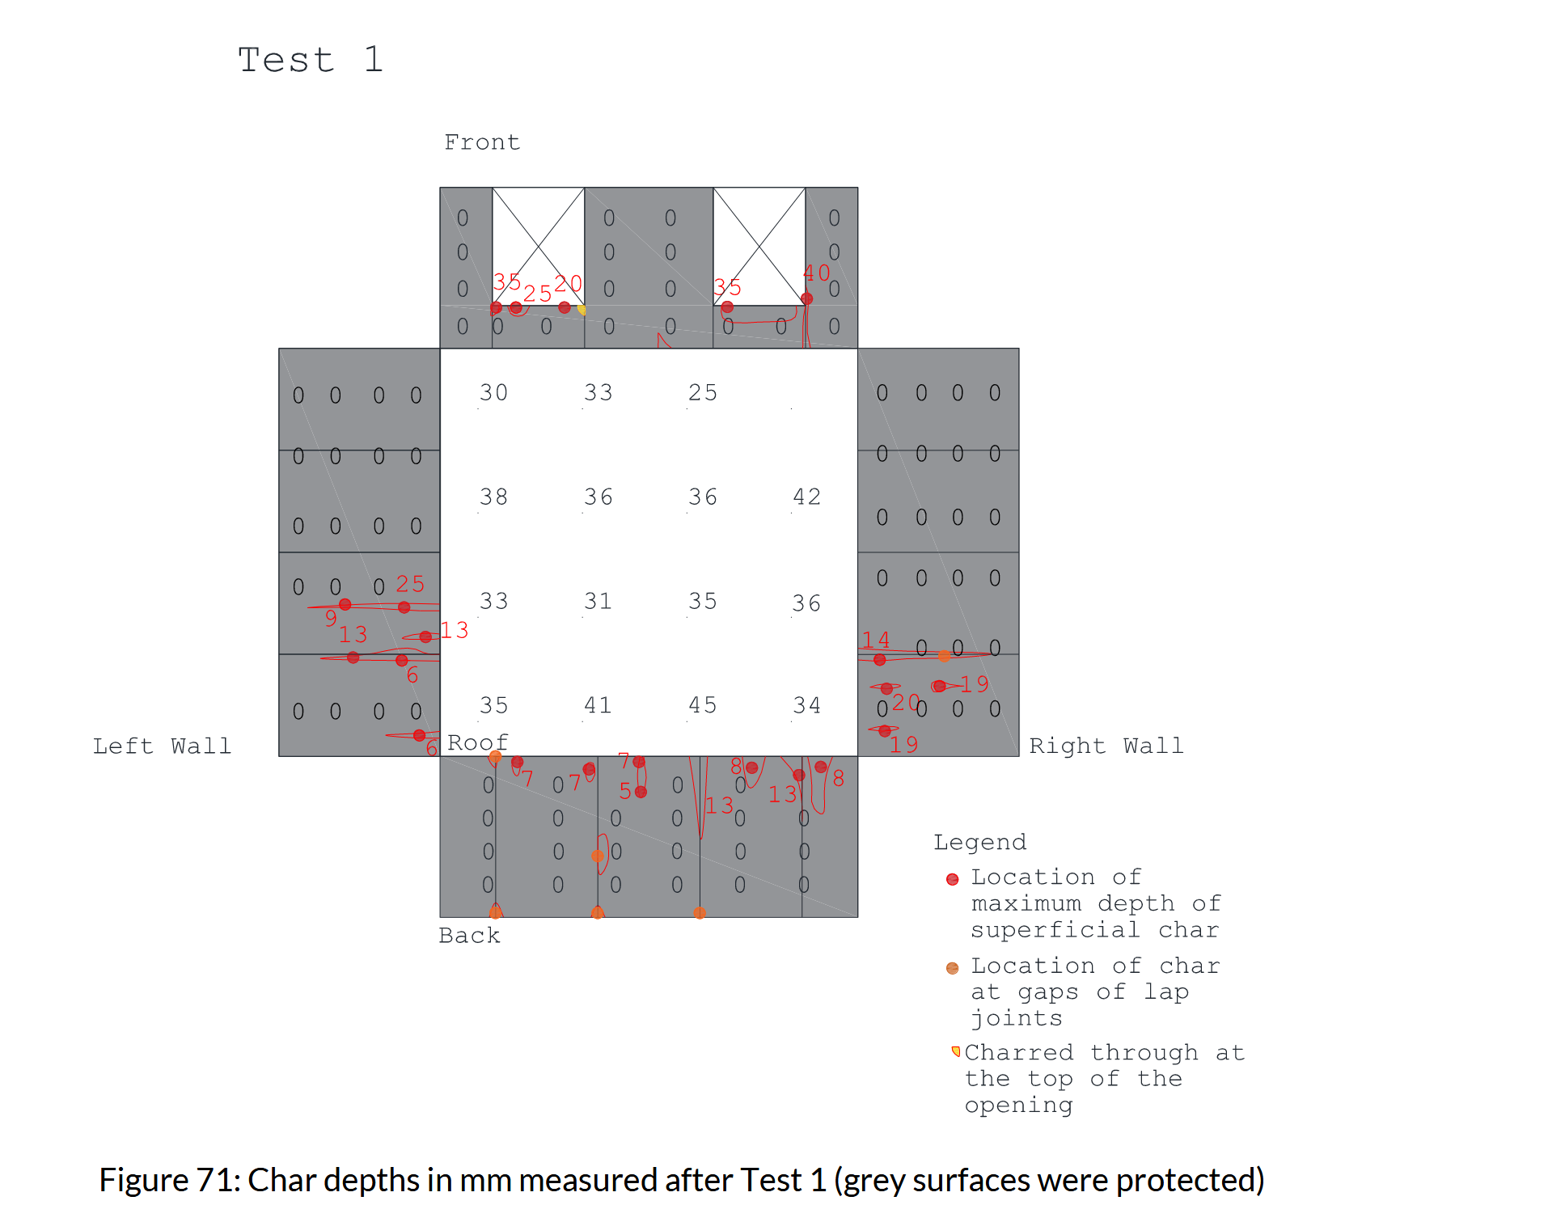
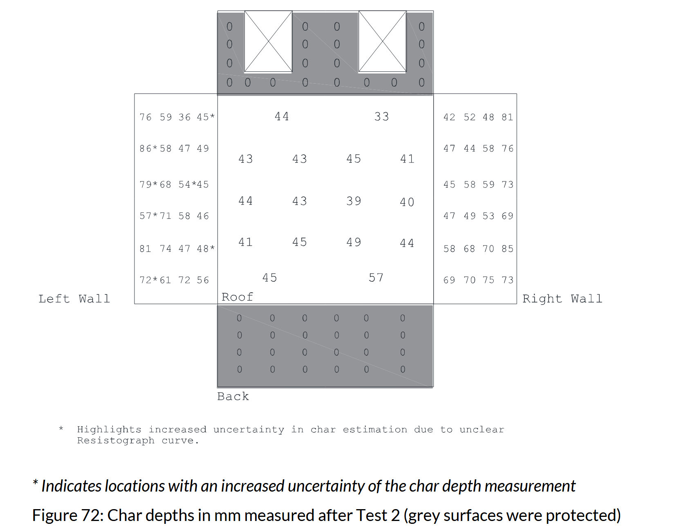
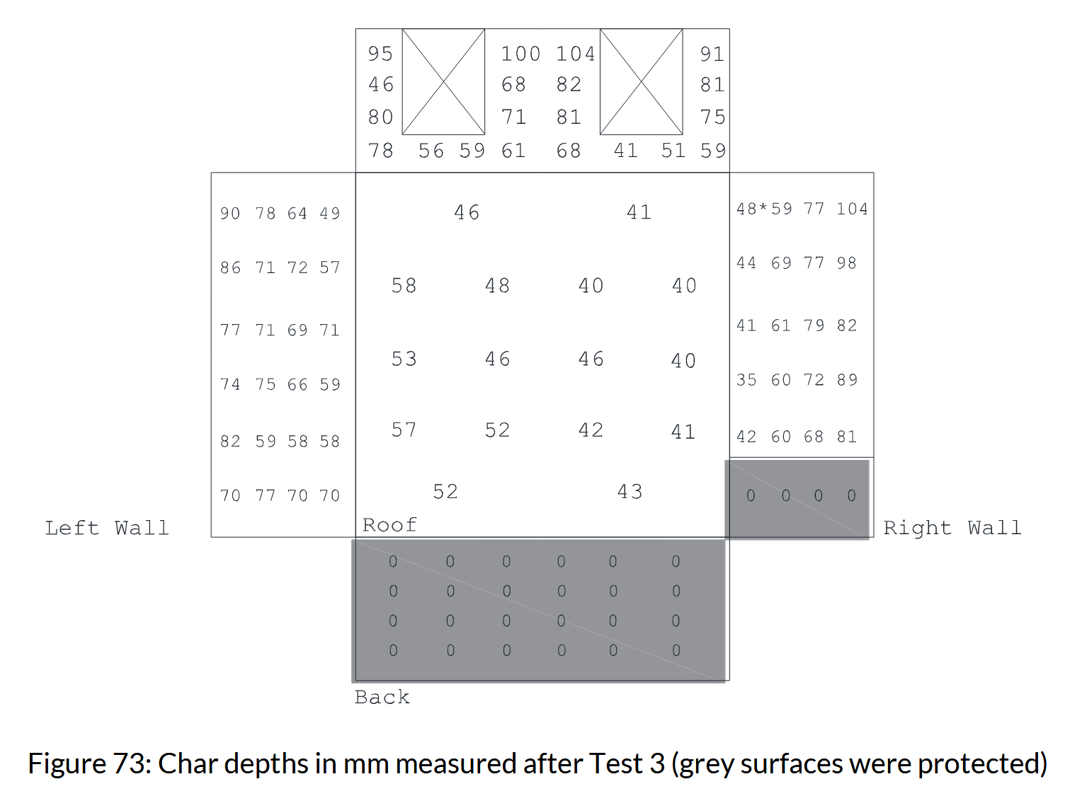
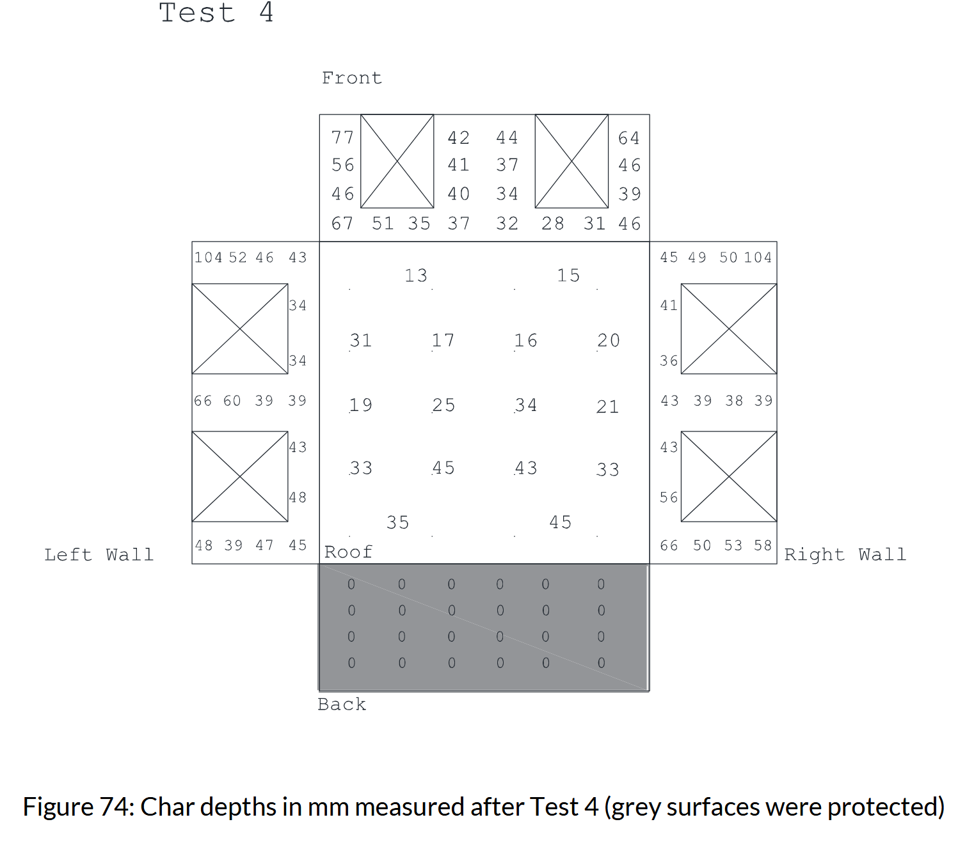
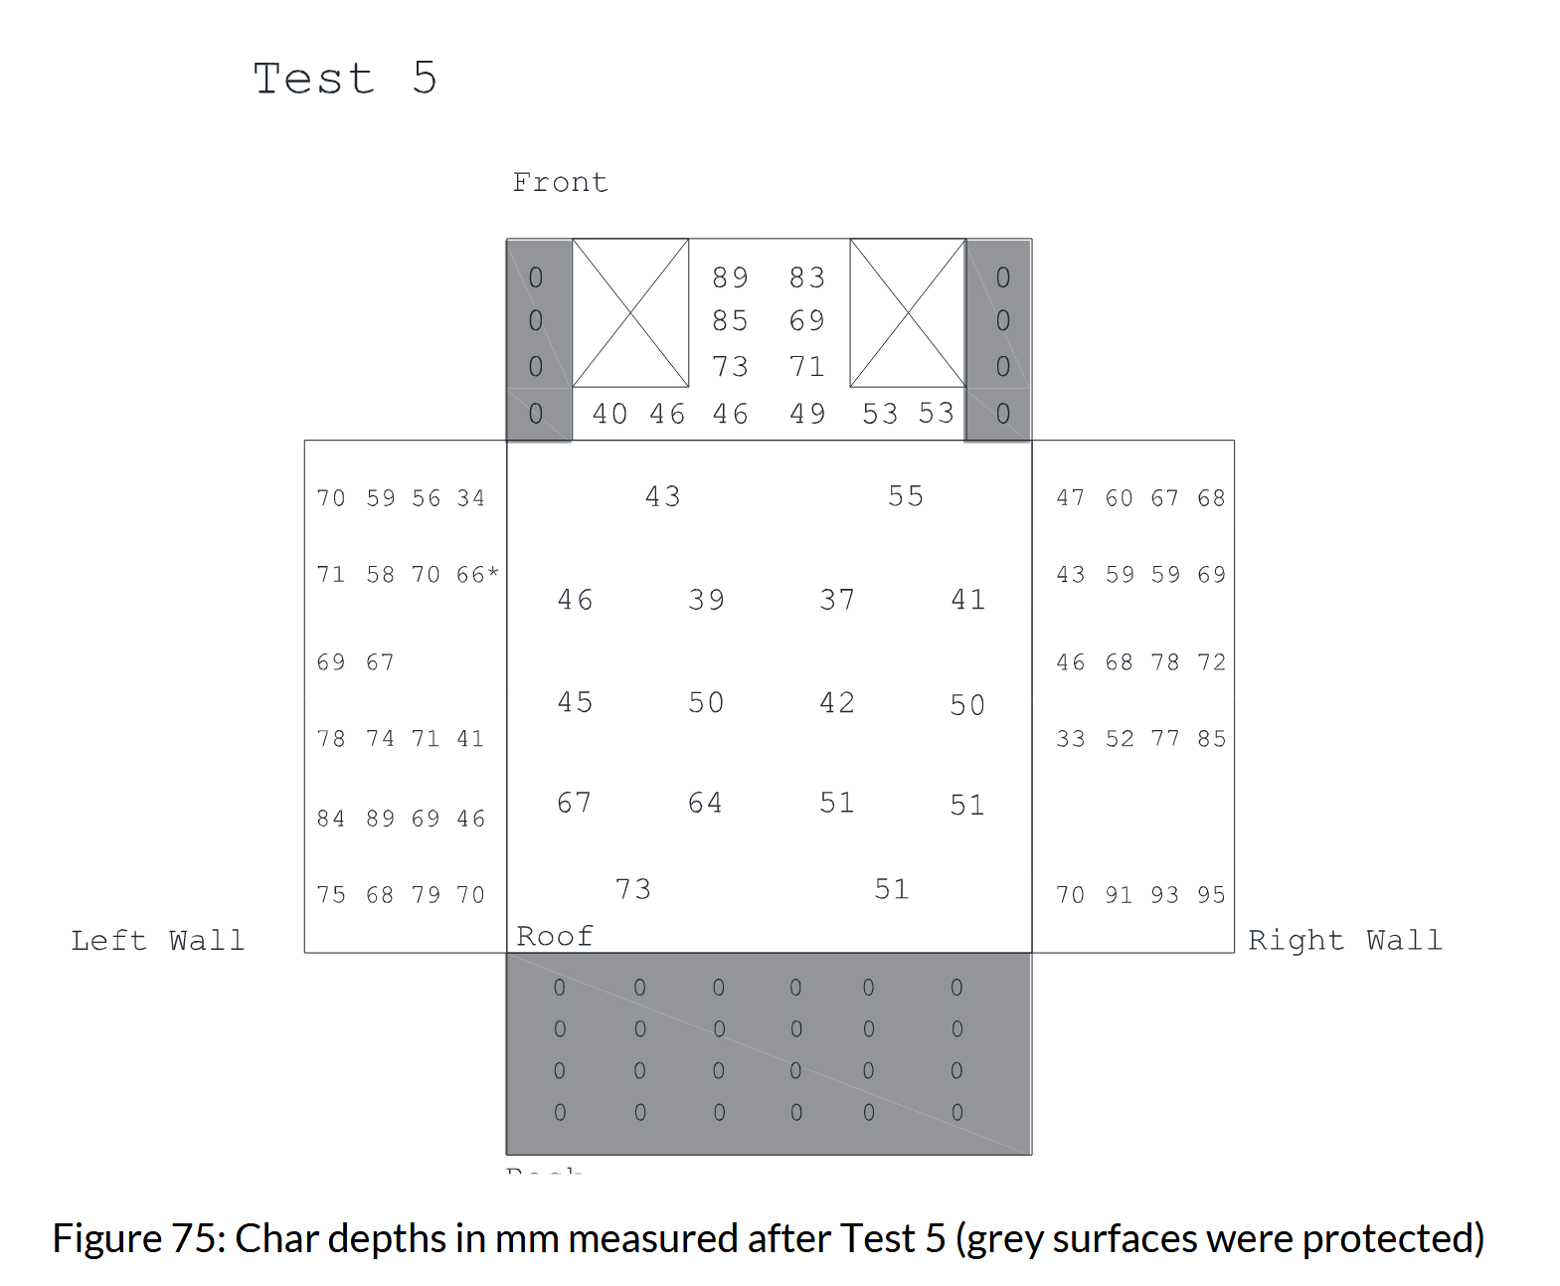
RISE 1
 |  | Ceiling |  |  |  | Wall
 | 30 | 33 | 25 |  |  | 0
 | 38 | 36 | 36 | 42
 | 33 | 31 | 35 | 36
 | 35 | 41 | 45 | 34

RISE 2 |  |  |  |  |  | Left Wall |  |  |  |  | Rigth wall
 |  | 44 | 33 |  |  | 76 | 59 | 36 | 45 |  | 42 | 52 | 48 | 81
 | 43 | 43 | 45 | 41 |  | 86 | 58 | 47 | 49 |  | 47 | 44 | 58 | 76
 | 44 | 43 | 39 | 40 |  | 79 | 68 | 54 | 45 |  | 45 | 58 | 59 | 73
 | 41 | 45 | 43 | 44 |  | 57 | 71 | 58 | 46 |  | 47 | 49 | 53 | 69
 |  | 45 | 57 |  |  | 81 | 74 | 47 | 48 |  | 58 | 68 | 70 | 85
 |  |  |  |  |  | 72 | 61 | 72 | 56 |  | 69 | 70 | 75 | 73

RISE 3 |  |  |  |  |  | Left Wall |  |  |  |  | Rigth wall |  |  |  |  | AdivBois 3
 |  | 46 | 41 |  |  | 90 | 78 | 64 | 49 |  | 48 | 59 | 77 | 104 |  | Poutres | H | bsup | binf | Colonne
 | 58 | 48 | 40 | 40 |  | 86 | 71 | 72 | 57 |  | 44 | 69 | 77 | 98 |  |  | 60 | 52.5 | 52.5 |  | 57.5 | 36.25
 | 53 | 46 | 46 | 40 |  | 77 | 71 | 69 | 71 |  | 41 | 61 | 79 | 82 |  |  | 80 | 47.5 | 65 |  | 50 | 27
 | 57 | 52 | 42 | 41 |  | 74 | 75 | 66 | 59 |  | 35 | 60 | 78 | 89 |  |  | 95 | 47.5 | 69
 |  | 52 | 43 |  |  | 82 | 59 | 58 | 58 |  | 42 | 60 | 68 | 81 |  |  | 77 | 45 | 65
 |  |  |  |  |  | 70 | 77 | 70 | 70 |  |  |  |  |  |  |  | 55 | 55 | 57.5
 |  |  |  |  |  |  |  |  |  |  |  |  |  |  |  |  | 70 | 65 | 58
 |  |  |  |  |  |  |  |  |  |  |  |  |  |  |  |  | 77 | 69 | 59.5
 |  |  |  |  | Front Wall | 95 |  |  | 100 | 104 |  |  | 91 |  |  |  | 75 | 65 | 62.5
 |  |  |  |  |  | 46 |  |  | 68 | 82 |  |  | 81 |  |  |  | 50 | 40 | 55
 |  |  |  | 72.35 |  | 80 |  |  | 71 | 81 |  |  | 75 |  |  |  | 53 | 45 | 50
 |  |  |  | 72.35 |  | 78 | 56 | 59 | 61 | 68 | 41 | 51 | 59 |  |  |  | 55 | 44 | 57.5
 |  |  |  |  |  |  |  |  |  |  |  |  |  |  |  |  | 50 | 32.5 | 55
RISE 4 |  |  |  |  |  | Left Wall |  |  |  |  | Rigth wall |  |  |  |  |  | 35 | 45 | 51.5
 |  | 13 | 15 |  |  | 104 | 52 | 46 | 43 |  | 45 | 49 | 50 | 104 |  |  | 47 | 35 | 45
 | 31 | 17 | 16 | 20 |  |  |  |  | 34 |  | 41 |  |  |  |  |  | 46 | 35 | 45
 | 19 | 25 | 34 | 21 |  |  |  |  | 34 |  | 36 |  |  |  |  |  | 35 | 39 | 55
 | 33 | 45 | 43 | 33 |  | 66 | 60 | 39 | 39 |  | 43 | 39 | 38 | 39
 |  | 35 | 45 |  |  |  |  |  | 43 |  | 43
 |  |  |  |  |  |  |  |  | 48 |  | 56
 |  |  |  |  |  | 49 | 39 | 47 | 45 |  | 66 | 50 | 53 | 58

 |  |  |  |  | Front Wall | 77 |  |  | 42 | 44 |  |  | 64
 |  |  |  |  |  | 56 |  |  | 41 | 37 |  |  | 46
 |  |  |  | 44.65 |  | 46 |  |  | 40 | 34 |  |  | 39
 |  |  |  | 44.65 |  | 67 | 51 | 35 | 37 | 32 | 28 | 31 | 46

RISE 5 |  |  |  |  |  | Left Wall |  |  |  |  | Rigth wall
 |  | 43 | 55 |  |  | 70 | 59 | 36 | 34 |  | 47 | 60 | 67 | 68
 | 46 | 39 | 37 | 41 |  | 71 | 58 | 70 | 66 |  | 43 | 59 | 59 | 69
 | 45 | 50 | 42 | 50 |  | 69 | 67 |  |  |  | 46 | 68 | 78 | 72
 | 67 | 64 | 51 | 51 |  | 78 | 74 | 71 | 41 |  | 33 | 52 | 77 | 85
 |  | 73 | 51 |  |  | 84 | 89 | 69 | 46
 |  |  |  |  |  | 75 | 68 | 79 | 70 |  | 70 | 91 | 93 | 95

 |  |  |  |  | Front Wall |  |  |  | 89 | 83
 |  |  |  |  |  |  |  |  | 85 | 69
 |  |  |  | 63.083333333 |  |  |  |  | 73 | 71
 |  |  |  | 63.083333333 |  |  | 40 | 46 | 46 | 49 | 53 | 53

NRCC LS 2
 | Ceiling | 48 | 33 |  | Beam | 90 | 75 |  | Column | 43 | 60 | 73
 |  | 48 | 43 |  |  | 90 | 55 |  |  | 56 | 56 | 56
 |  | 43 | 28 |  |  | 90 | 25
 |  |  | 38 |  |  | 64 | 25 |  |  | 55 | 50 | 35
 |  |  |  |  |  |  |  |  |  | 95 | 95 | 55

NRCC LS 4 | Ceiling | DLT |  |  |  |  |  | CLT Floor
 | 69 | 71 | 66 |  |  |  |  | 50 | 60 | 70
 | 89 | 81 | 53 |  |  |  |  | 50 | 60 | 75
 | 76 | 76 | 66 |  |  |  |  | 40 | 50 | 75
 | 71 | 66 | 61

 | Beam | 31 | 55.5 |  | 60 | 65 |  | Column | 69 | 72 | 50 |  | 56 | 66 | 66
 |  | 36 | 36.5 |  | 60 | 62 |  |  | 70 | 67 | 48 |  | 70 | 60 | 80
 |  | 26 | 36.5 |  | 40 | 58
 |  | 26 | 62 |  | 30 | 68 |  |  | 67.5 | 72.5 | 72.5 |  | 45 | 64 | 64
 |  |  |  |  |  |  |  |  | 135 | 65 | 25 |  | 22 | 54 | 86

NRCC LS 5 | Ceiling
 |  |  |  |  |  |  |  | 15 | 40 | 15
 |  |  |  |  |  |  |  | 25 | 30 | 15 | Bay 4
 |  |  |  |  |  |  |  | 25 | 25 | 15
 | 23 | 28 | 28 |  | 25 | 25 | 20 | 25 | 25 | 20
 | 28 | 28 | 28 |  | 35 | 25 | 20 | 25 | 25 | 20
 |  | Bay 1 |  |  |  | Bay 2 |  |  | Bay 3
 | Wall
 |  | 36 | 52 | 36
 |  | 36 | 26 | 51
 |  | 46 | 56 | 41
 | Column
 |  | 43 | 43 |  | 26 | 50
 |  | 33 | 33 |  | 24 | 50
 |  | 38 | 38 |  | 24 | 45

 |  | 37 | 38 |  | 25 | 37
 |  | 32 | 33 |  | 10 | 32
 |  | 47 | 48 |  | 60 | 60

 | Beam
 |  | 31 | 33 |  | 31 | 28
 |  | 30 | 28 |  | 31 | 23

NRCC & NIST 4
 | Ceiling
 | 72 | 74 | 81 | 70
 | 78 | 80 | 82 | 81
 | 73 | 85 | 90 | 90
 | 79 | 90 | 86 | 86
 | 75 | 78 | 80 | 81
 | 78 | 70 | 80 | 81
 | 79 | 71 | 83 | 73
 | 72 | 78 | 72 | 68

NRCC & NIST 5
 | Ceiling |  |  |  |  | W1 Panels
 | 25 | 45 | 60 | 70 |  | 130 | 138 | 138 | 130 | 133 | 137 | 132 | 126
 | 35 | 55 | 60 | 70 |  | 130 | 141 | 139 | 138 | 134 | 141 | 132 | 129
 | 47 | 60 | 72 | 76 |  | 133 | 134 | 135 | 138 | 135 | 138 | 132 | 130
 | 55 | 62 | 72 | 79 |  | 115 | 120 | 102 | 125 | 128 | 129 | 138 | 121
 | 58 | 64 | 70 | 73
 | 62 | 62 | 72 | 74
 | 53 | 54 | 67 | 68
 | 51 | 58 | 66 | 66

NRCC & NIST 6
 | Ceiling |  |  |  |  | W1 Panels |  |  |  |  |  |  |  | z
 | 131 | 124 | 116 | 117 |  | 133 | 139 | 134 | 141 | 138 | 126 | 127 | 124 | 2.1
 | 123 | 132 | 129 | 125 |  | 143 | 134 | 136 | 141 | 131 | 130 | 129 | 125 | 1.6
 | 147 | 154 | 135 | 130 |  | 138 | 135 | 130 | 132 | 138 | 125 | 120 | 126 | 1.1
 | 147 |  | 132 | 135 |  | 89 | 99 | 92 | 88 | 95 | 93 | 96 | 94 | 0.6
 | 133 | 13 | 144 | 129
 | 141 | 130 | 131 | 134
 | 132 | 129 | 131 | 129
 | 132 | 123 | 122 | 123

NRCC Room 2 |  |  |  |  | Ceiling
 |  |  |  |  | 10 | 30 | 8 | 25
 |  |  |  |  | 15 | 10 | 21 | 30
 |  |  |  |  | 13 | 30 | 13 | 20
 |  |  |  |  | 13 | 45 | 50 | 25
 |  |  |  |  | 50 | 45 | 52 | 63
 | 38 | 40 |  |  | 50 | 50 | 50 | 60 |  |  | 41 | 23
 | 5 |  | 35 | 35 | 50 | 70 | 50 | 65 | 43 | 25 | 37 | 3
 | 3 | 36 | 35 | 35 | 72 | 70 | 70 | 85 | 35 | 25 | 42 | 3
 | 3 | 36 |  |  | 81 | 90 | 95 | 85 |  |  | 40 | 3
 | 1/2 Wall C |  | Wall D |  | Wall A |  |  |  | Wall B |  | 1/2 Wall C
 |  |  |  |  | red numbers indicate the unprotected CLT surfaces.

NRCC Room 3 |  |  |  |  | Ceiling
 |  |  |  |  | 30 | 28 | 36 | 50
 |  |  |  |  | 0 | 0 | 0 | 0
 |  |  |  |  | 45 | 37 | 39 | 45
 |  |  |  |  | 66 | 66 | 39 | 43 |  |  |  |  |  | 335 |  |  | 329 | 330 | 296 | 349 |  |  | 324 |  | hb | 457
 | 45 | 53 |  |  | 0 | 38 | 44 | 43 |  |  | 45 | 42 |  | 115 |  |  | 120 | 150 | 135 | 115 |  |  | 138 |  | wb | 357
 | 30 | 53 | 50 | 38 | 43 | 56 | 44 | 44 | 55 | 48 | 45 | 83 |  |  | 132 | 270 |  |  |  |  | 251 | 265 |  |  | cc | 457
 | 48 | 63 | 30 | 48 | 45 |  | 48 | 53 | 55 | 54 | 46 | 50 |  |  | 208 | 253 |  |  |  |  | 256 | 248
 | 34 | 79 |  |  | 45 | 38 | 40 | 45 |  |  | 48 | 50 |  |  | 252 | 241 |  |  |  |  | 273 | 245
 | 1/2 Wall C |  | Wall D |  | Wall A |  |  |  | Wall B |  | 1/2 Wall C |  |  |  | 249 | 227 |  |  |  |  | 257 | 217
 |  |  |  |  | red numbers indicate the unprotected CLT surfaces.
 |  |  |  |  |  |  |  |  |  |  |  |  |  | 122 |  |  | 128 | 127 | 161 | 108 |  |  | 133 | Beam Height
 |  |  |  |  |  |  |  |  |  |  |  |  |  | 121 |  |  | 118.5 | 103.5 | 111 | 121 |  |  | 109.5 | Beam side
 |  |  |  |  |  |  |  |  |  |  |  |  |  |  | 162.5 | 93.5 |  |  |  |  | 103 | 96
 |  |  |  |  |  |  |  |  |  |  |  |  |  |  | 124.5 | 102 |  |  |  |  | 100.5 | 104.5
 |  |  |  |  |  |  |  |  |  |  |  |  |  |  | 102.5 | 108 |  |  |  |  | 92 | 106
 |  |  |  |  |  |  |  |  |  |  |  |  |  |  | 104 | 115 |  |  |  |  | 100 | 120
 |  |  |  |  |  |  |  |  |  |  |  |  |  |  | Column 1 |  |  |  |  |  | Column 2

NRCC Room 4 |  |  |  |  | Ceiling
 |  |  |  |  | 50 | 55 | 53 | 56
 |  |  |  |  | 49 | 56 | 54 | 50
 |  |  |  |  | 61 | 57 | 53 | 53
 |  |  |  |  | 50 | 47 | 66 | 55 |  |  |  |  |  | 380 |  |  | 380 | 375 | 388 | 382 |  | hb | 457
 | 15 | 36 |  |  | 22 | 23 | 25 | 25 |  |  | 37 | 13 |  | 195 |  |  | 200 | 197 | 194 | 196 |  | wb | 357
 | 23 | 38 | 25 | 25 | 36 | 20 | 35 | 33 | 35 | 30 | 37 | 15 |  |  | 332 | 322 |  |  |  |  |  | cc | 457
 | 0 | 34 | 38 | 24 | 37 | 17 | 27 | 45 | 27 | 25 | 40 | 0 |  |  | 327 | 299
 | 0 | 36 |  |  | 23 | 28 | 24 | 17 |  |  | 39 | 0 |  |  | 315 | 305
 | 1/2 Wall C |  | Wall D |  | Wall A |  |  |  | Wall B |  | 1/2 Wall C |  |  |  | 270 | 293
 |  |  |  |  | red numbers indicate the unprotected CLT surfaces.
 |  |  |  |  |  |  |  |  |  |  |  |  |  | 77 |  |  | 77 | 82 | 69 | 75 | Beam Height
 |  |  |  |  |  |  |  |  |  |  |  |  |  | 81 |  |  | 78.5 | 80 | 81.5 | 80.5 | Beam side
 |  |  |  |  |  |  |  |  |  |  |  |  |  |  | 62.5 | 67.5
 |  |  |  |  |  |  |  |  |  |  |  |  |  |  | 65 | 79
 |  |  |  |  |  |  |  |  |  |  |  |  |  |  | 71 | 76
 |  |  |  |  |  |  |  |  |  |  |  |  |  |  | 93.5 | 82
 |  |  |  |  |  |  |  |  |  |  |  |  |  |  | Column 1
NRCC Room 5 |  |  |  |  | Ceiling
 |  |  |  |  | 79 | 81 | 70 | 88
 |  |  |  |  | 82 | 70 | 70 | 90
 |  |  |  |  | 80 | 70 | 70 | 75
 |  |  |  |  | 86 | 73 | 77 | 79
 | 43 | 79 |  |  | 75 | 70 | 70 | 38 |  |  | 53 | 50
 |  | 89 | 88 | 83 | 71 | 75 | 87 | 73 | 83 | 81 | 78
 | 55 | 90 | 88 | 88 | 79 | 79 | 73 | 82 | 89 | 109 | 91 | 55
 | 45 | 58 |  |  | 85 | 79 | 75 | 83 |  |  | 90 | 35
 | 1/2 Wall C |  | Wall D |  | Wall A |  |  |  | Wall B |  | 1/2 Wall C
 |  |  |  |  | red numbers indicate the unprotected CLT surfaces.

Edimb 1 to 5

 |  |  |  |  |  |  |  |  |  |  | Characteristic Time | [mn]

 |  |  |  |  |  |  |  |  |  |  | Alpha-1 | 30

 |  |  |  |  |  |  |  |  |  |  | Alpha-2 | 30

 |  |  |  |  |  |  |  |  |  |  | Beta-1 | 20

 |  |  |  |  |  |  |  |  |  |  | Beta-2 | 20,60

USDA 3 | > 300°C (mm)
Localisation Embended TC | Min | Max | Mean
Wall B
A | 23 | 23 | 23
B | 47 | 50 | 48.5
Wall D
A | 23 | 30 | 26.5

 | 23 | 50 | 32.666666667

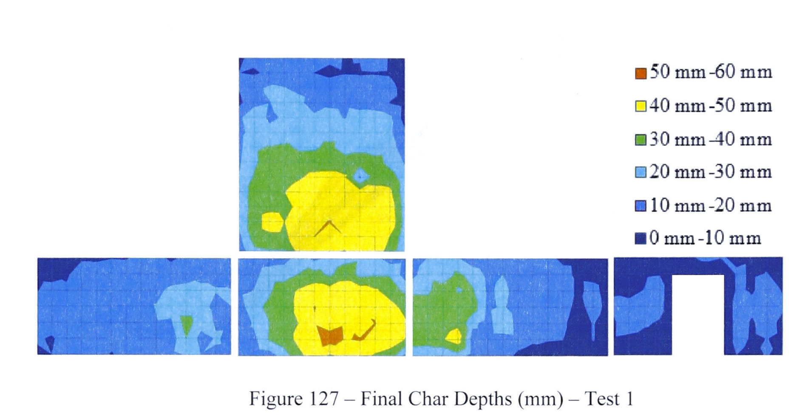
 |  |  |  |  |  |  |  |  |  |  |  |  |  |  |  | L | W | h
McGregor_1 |  |  |  |  |  |  |  |  |  |  |  |  |  |  |  | 3.50 | 4.50 | 2.50
 |  |  |  |  |  |  |  |  |  |  |  |  |  |  |  | 0.31818181818 | 0.34615384615 | 0.41666666667
 |  |  |  |  |  |  |  |  |  |  |  |  |  |  |  |  |  |  | b | h
 |  |  |  |  |  |  |  |  |  |  |  |  |  |  |  |  |  | maille: | 0.33 | 0.4

 |  |  |  |  |  |  |  |  |  |  |  |  |  |  | Ceiling | n maille |  |  | Wall | n maille
 |  |  |  |  |  |  |  |  |  |  |  |  |  |  | 60 |  |  |  | 60 | 2
 |  |  |  |  |  |  |  |  |  |  |  |  |  |  | 50 | 25 |  |  | 50 | 27
 |  |  |  |  |  |  |  |  |  |  |  |  |  |  | 40 | 38 |  |  | 40 | 29
 |  |  |  |  |  |  |  |  |  |  |  |  |  |  | 30 | 47 |  |  | 30 | 43
 |  |  |  |  |  |  |  |  |  |  |  |  |  |  | 20 | 29 |  |  | 20 | 132
 |  |  |  |  |  |  |  |  |  |  |  |  |  |  | 10 | 4 | 143 |  | 10 | 40 | 273
 |  |  |  |  |  |  |  |  |  |  |  |  |  |  |  | 143 |  |  |  | 271
 |  |  |  |  |  |  |  |  |  |  |  |  |  |  | min | 10 |  |  | min | 10
 |  |  |  |  |  |  |  |  |  |  |  |  |  |  | max | 60 |  |  | max | 60
 |  |  |  |  |  |  |  |  |  |  |  |  |  |  | mean | 33.566433566 |  |  | mean | 25.682656827

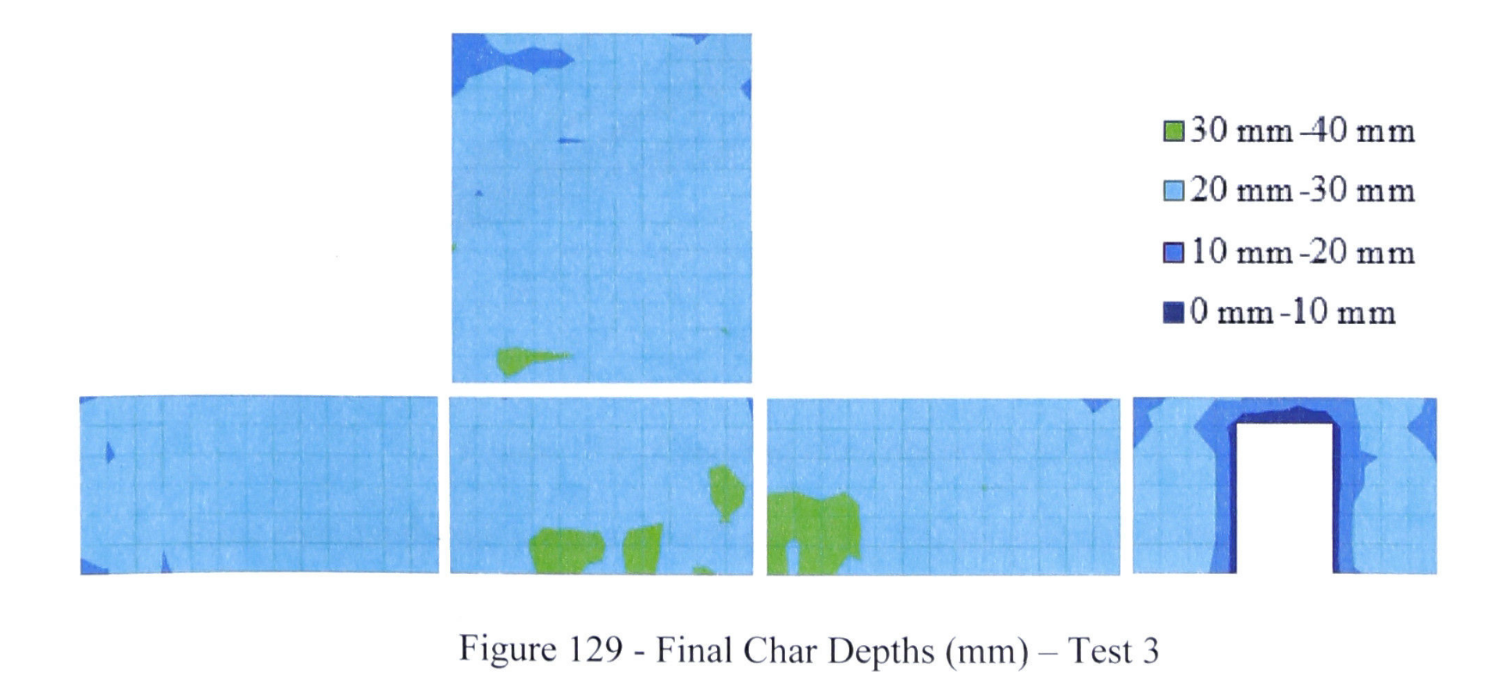
McGregor_3 |  |  |  |  |  |  |  |  |  |  |  |  |  |  | Ceiling | n maille |  |  | Wall | n maille
 |  |  |  |  |  |  |  |  |  |  |  |  |  |  | 60 |  |  |  | 60
 |  |  |  |  |  |  |  |  |  |  |  |  |  |  | 50 |  |  |  | 50
 |  |  |  |  |  |  |  |  |  |  |  |  |  |  | 40 | 1 |  |  | 40 | 17
 |  |  |  |  |  |  |  |  |  |  |  |  |  |  | 30 | 5 |  |  | 30 | 241
 |  |  |  |  |  |  |  |  |  |  |  |  |  |  | 20 | 137 |  |  | 20 | 12
 |  |  |  |  |  |  |  |  |  |  |  |  |  |  | 10 |  | 143 |  | 10 | 3 | 273
 |  |  |  |  |  |  |  |  |  |  |  |  |  |  |  | 143 |  |  |  | 273
 |  |  |  |  |  |  |  |  |  |  |  |  |  |  | min | 10 |  |  | min | 10
 |  |  |  |  |  |  |  |  |  |  |  |  |  |  | max | 60 |  |  | max | 60
 |  |  |  |  |  |  |  |  |  |  |  |  |  |  | mean | 20.48951049 |  |  | mean | 29.963369963

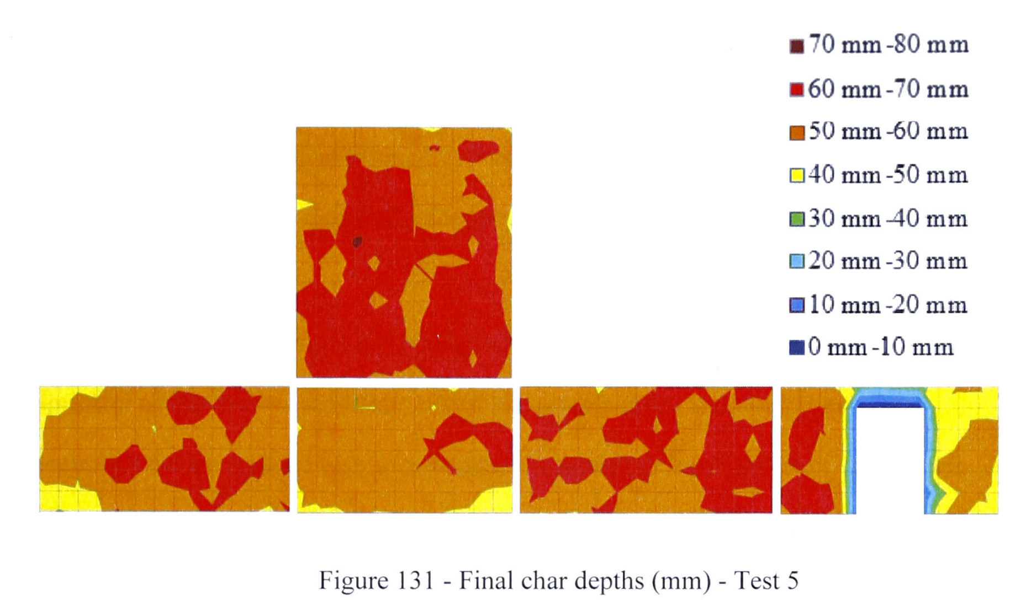
McGregor_5 |  |  |  |  |  |  |  |  |  |  |  |  |  |  | Ceiling | n maille |  |  | Wall | n maille
 |  |  |  |  |  |  |  |  |  |  |  |  |  |  | 70 | 95 |  |  | 70 | 76
 |  |  |  |  |  |  |  |  |  |  |  |  |  |  | 60 | 47 |  |  | 60 | 175
 |  |  |  |  |  |  |  |  |  |  |  |  |  |  | 50 | 1 |  |  | 50 | 18
 |  |  |  |  |  |  |  |  |  |  |  |  |  |  | 40 |  |  |  | 40 | 1
 |  |  |  |  |  |  |  |  |  |  |  |  |  |  | 30 |  |  |  | 30 | 1
 |  |  |  |  |  |  |  |  |  |  |  |  |  |  | 20 |  |  |  | 20 | 1
 |  |  |  |  |  |  |  |  |  |  |  |  |  |  | 10 |  | 143 |  | 10 | 1 | 273
 |  |  |  |  |  |  |  |  |  |  |  |  |  |  |  | 143 |  |  |  | 273
 |  |  |  |  |  |  |  |  |  |  |  |  |  |  | min | 10 |  |  | min | 10
 |  |  |  |  |  |  |  |  |  |  |  |  |  |  | max | 60 |  |  | max | 60
 |  |  |  |  |  |  |  |  |  |  |  |  |  |  | mean | 66.573426573 |  |  | mean | 61.611721612

Heat of Combustion
RISE
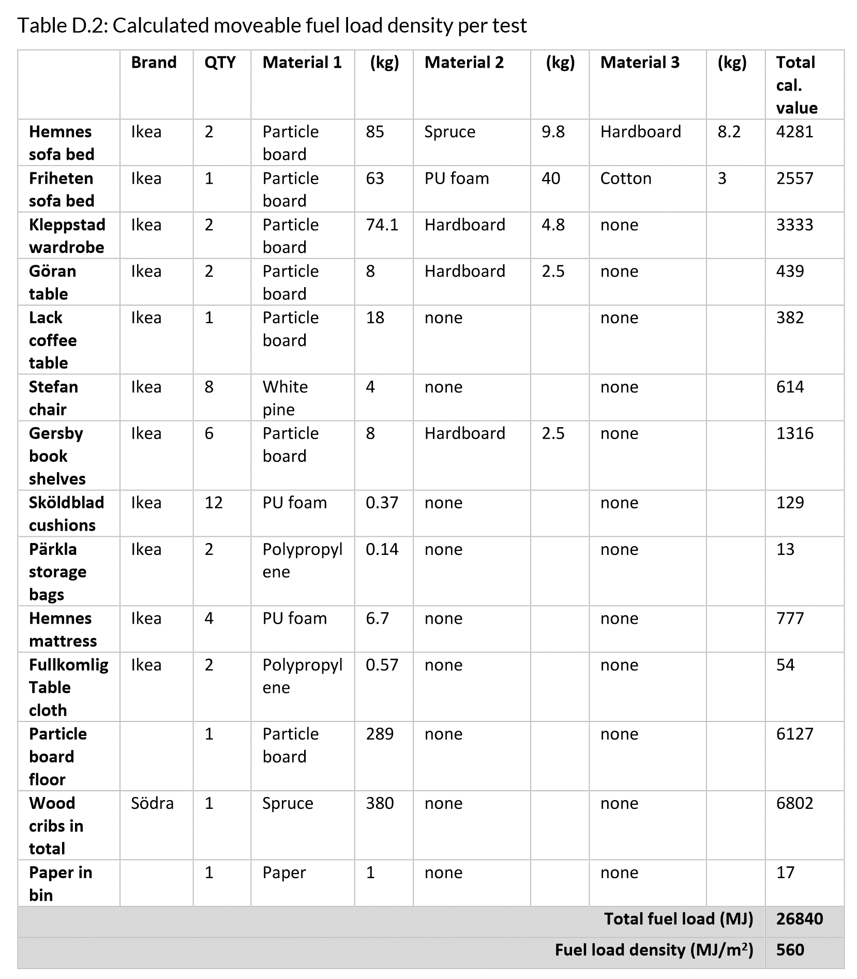

 |  |  |  |  |  |  |  |  |  | Hc
 |  |  |  | 2 | 85 | 9.8 | 8.2 | 206 | 4281 | 20.78
 |  |  |  | 1 | 63 | 40 | 3 | 106 | 2557 | 24.12
 |  |  |  | 2 | 74.1 | 4.8 |  | 157.8 | 3333 | 21.12
 |  |  |  | 2 | 8 | 2.5 |  | 21 | 439 | 20.90
 |  |  |  | 1 | 18 |  |  | 18 | 382 | 21.22
 |  |  |  | 8 | 4 |  |  | 32 | 614 | 19.19
 |  |  |  | 6 | 8 | 2.5 |  | 63 | 1316 | 20.89
 |  |  |  | 12 | 0.37 |  |  | 4.44 | 129 | 29.05
 |  |  |  | 2 | 0.14 |  |  | 0.28 | 13 | 46.43
 |  |  |  | 4 | 6.7 |  |  | 26.8 | 777 | 28.99
 |  |  |  | 2 | 0.57 |  |  | 1.14 | 54 | 47.37
 |  |  |  | 1 | 289 |  |  | 289 | 6127 | 21.20
 |  |  |  | 1 | 380 |  |  | 380 | 6802 | 17.90
 |  |  |  | 1 | 1 |  |  | 1 | 17 | 17.00
 |  |  |  |  |  |  |  | 1306.46 | 26840 | 20.54 | MJ/kg | [kJ/g)

Mc Gregor
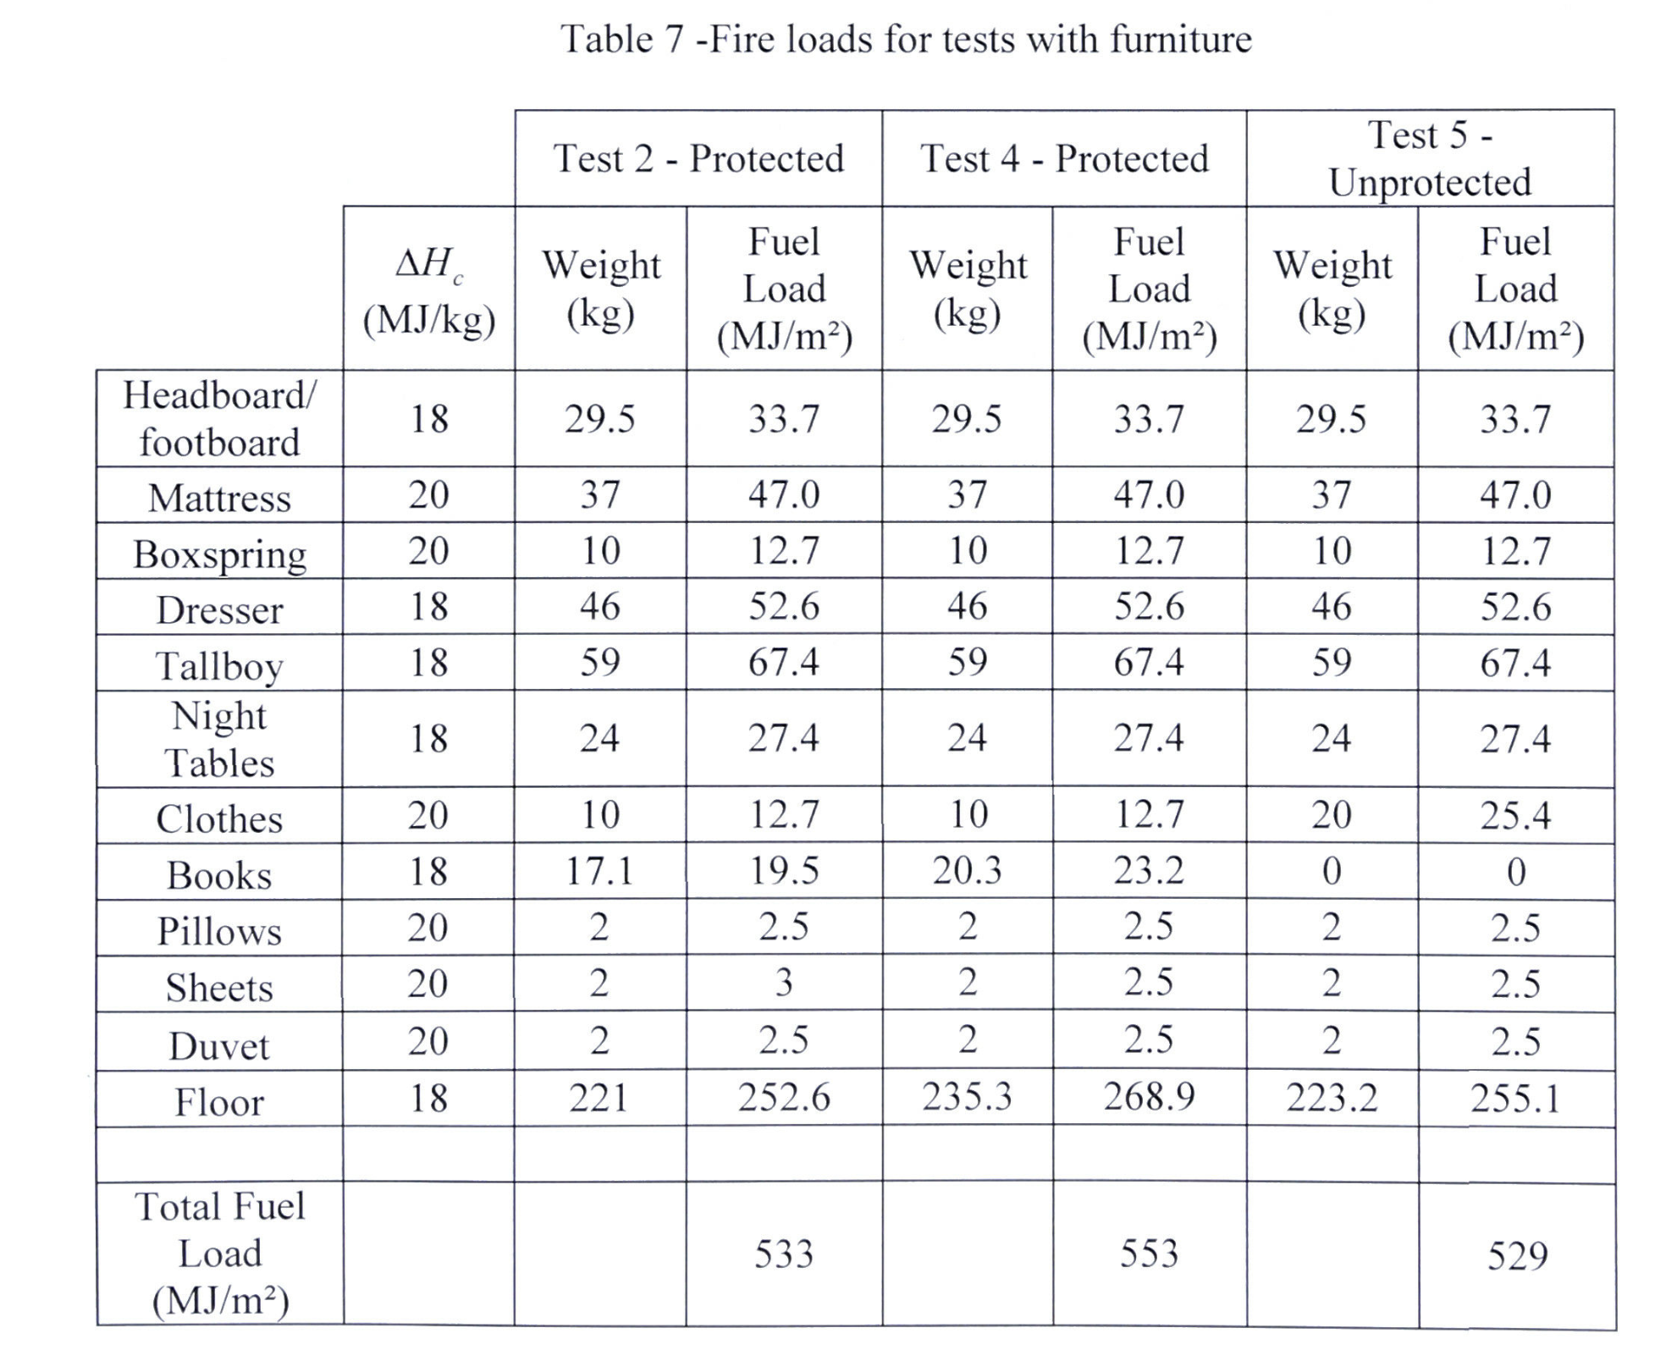

 |  |  |  |  | 18 | 29.5 | 531 |  |  | 18 | 29.5 | 531 |  | 18 | 29.5 | 531
 |  |  |  |  | 20 | 37 | 740 |  |  | 20 | 37 | 740 |  | 20 | 37 | 740
 |  |  |  |  | 20 | 10 | 200 |  |  | 20 | 10 | 200 |  | 20 | 10 | 200
 |  |  |  |  | 18 | 46 | 828 |  |  | 18 | 46 | 828 |  | 18 | 46 | 828
 |  |  |  |  | 18 | 59 | 1062 |  |  | 18 | 59 | 1062 |  | 18 | 59 | 1062
 |  |  |  |  | 18 | 24 | 432 |  |  | 18 | 24 | 432 |  | 18 | 24 | 432
 |  |  |  |  | 20 | 10 | 200 |  |  | 20 | 10 | 200 |  | 20 | 20 | 400
 |  |  |  |  | 18 | 17.1 | 307.8 |  |  | 18 | 20.3 | 365.4 |  | 18 | 0 | 0
 |  |  |  |  | 20 | 2 | 40 |  |  | 20 | 2 | 40 |  | 20 | 2 | 40
 |  |  |  |  | 20 | 2 | 40 |  |  | 20 | 2 | 40 |  | 20 | 2 | 40
 |  |  |  |  | 20 | 2 | 40 |  |  | 20 | 2 | 40 |  | 20 | 2 | 40
 |  |  |  |  | 18 | 221 | 3978 |  |  | 18 | 235.3 | 4235.4 |  | 18 | 223.2 | 4017.6
 |  |  |  |  | 228 | 459.6 | 8398.8 | 18.27 |  | 228 | 477.1 | 8713.8 | 18.26 | 228 | 454.7 | 8330.6 | 18.32

Medina
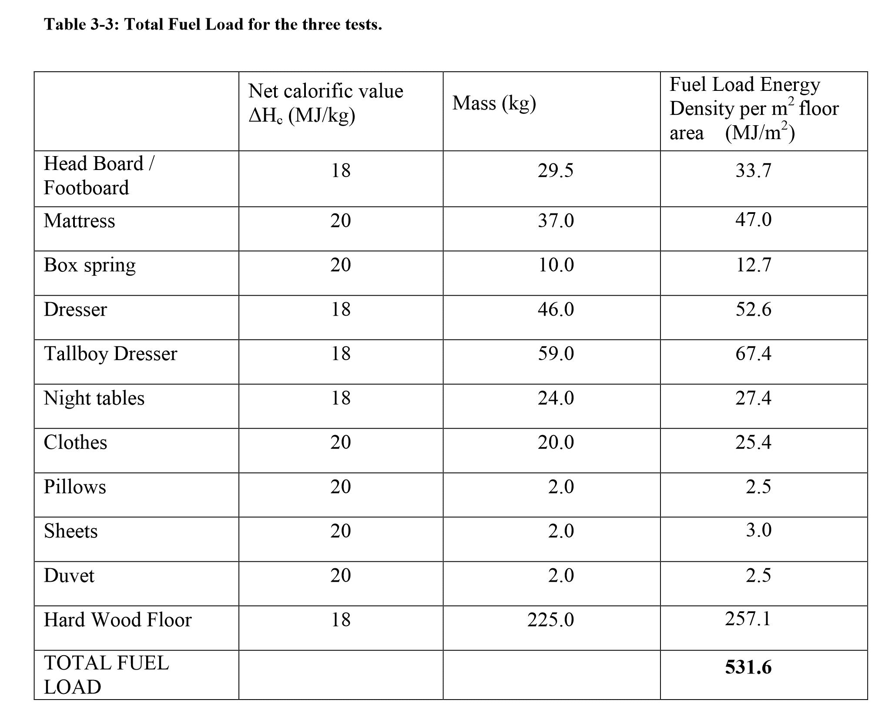

 |  |  |  |  | 18 | 29.5 | 531
 |  |  |  |  | 20 | 37 | 740
 |  |  |  |  | 20 | 10 | 200
 |  |  |  |  | 18 | 46 | 828
 |  |  |  |  | 18 | 59 | 1062
 |  |  |  |  | 18 | 24 | 432
 |  |  |  |  | 20 | 20 | 400
 |  |  |  |  | 20 | 2 | 40
 |  |  |  |  | 20 | 2 | 40
 |  |  |  |  | 20 | 2 | 40
 |  |  |  |  | 18 | 225 | 4050
 |  |  |  |  | 210 | 456.5 | 8363 | 18.32

NRC & NIST
Every piece of combustible material was weighed prior to placement. The total weight of the combustible material in each compartment was 1,169 kg +/- 8 kg (standard uncertainty). Using the calorific values in Table 3 [17], the estimated energy for each item was determined (see Appendix C). Accounting for the paper on the innermost layer of drywall (the layer participating during flashover) which constituted less than 1.6 % of the total fuel by energy, the total estimated energy for the movable fuel was 23,074 MJ +/- 161 MJ (standard uncertainty). Table 4 summarizes the fuel load density used in each test, which varied between 548 MJ/m2 and 556 MJ/m2.
 | MJ | kg | Hc
 | 23235 | 1177 | 19.74086661
 | 22913 | 1161 | 19.735572782

